Step 1.6
Vo vs. Time Characteristics
0.00E+00 | 1.53E-01
2.61E-05 | 1.53E-01
5.22E-05 | 1.54E-01
7.83E-05 | 1.54E-01
1.04E-04 | 1.54E-01
1.31E-04 | 1.54E-01
1.57E-04 | 1.54E-01
1.83E-04 | 1.55E-01
2.33E-04 | 1.55E-01
2.65E-04 | 1.55E-01
3.14E-04 | 1.55E-01
3.64E-04 | 1.54E-01
4.14E-04 | 1.54E-01
4.89E-04 | 1.53E-01
5.64E-04 | 1.52E-01
6.14E-04 | 1.52E-01
6.64E-04 | 1.51E-01
7.14E-04 | 1.51E-01
7.57E-04 | 1.51E-01
8.01E-04 | 1.51E-01
8.51E-04 | 1.51E-01
9.01E-04 | 1.52E-01
9.76E-04 | 1.53E-01
1.00E-03 | 1.53E-01
1.03E-03 | 1.53E-01
1.05E-03 | 1.53E-01
1.08E-03 | 1.54E-01
1.10E-03 | 1.54E-01
1.13E-03 | 1.54E-01
1.15E-03 | 1.54E-01
1.20E-03 | 1.55E-01
1.24E-03 | 1.55E-01
1.28E-03 | 1.55E-01
1.33E-03 | 1.55E-01
1.38E-03 | 1.54E-01
1.43E-03 | 1.54E-01
1.46E-03 | 1.53E-01
1.48E-03 | 1.53E-01
1.51E-03 | 1.53E-01
1.53E-03 | 1.52E-01
1.56E-03 | 1.52E-01
1.58E-03 | 1.52E-01
1.61E-03 | 1.52E-01
1.66E-03 | 1.51E-01
1.71E-03 | 1.51E-01
1.75E-03 | 1.51E-01
1.80E-03 | 1.51E-01
1.85E-03 | 1.51E-01
1.90E-03 | 1.52E-01
1.97E-03 | 1.52E-01
...
Time | v(vo)
Seconds | Volts
0.00E+00 | 1.53E-01
2.61E-05 | 1.53E-01
5.22E-05 | 1.54E-01
7.83E-05 | 1.54E-01
1.04E-04 | 1.54E-01
1.31E-04 | 1.54E-01
1.57E-04 | 1.54E-01
1.83E-04 | 1.55E-01
2.33E-04 | 1.55E-01
2.65E-04 | 1.55E-01
3.14E-04 | 1.55E-01
3.64E-04 | 1.54E-01
4.14E-04 | 1.54E-01
4.89E-04 | 1.53E-01
5.64E-04 | 1.52E-01
6.14E-04 | 1.52E-01
6.64E-04 | 1.51E-01
7.14E-04 | 1.51E-01
7.57E-04 | 1.51E-01
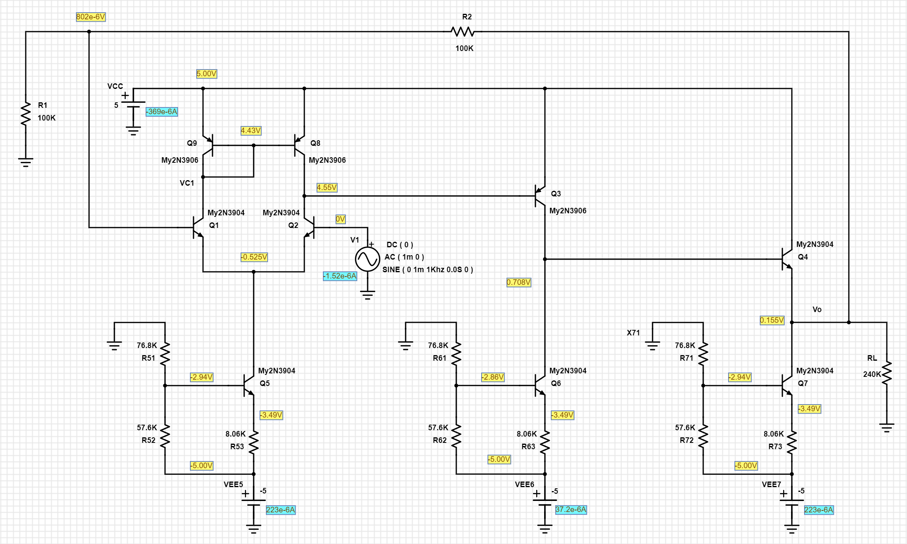
8.01E-04 | 1.51E-01
8.51E-04 | 1.51E-01
9.01E-04 | 1.52E-01
9.76E-04 | 1.53E-01
1.00E-03 | 1.53E-01
1.03E-03 | 1.53E-01
1.05E-03 | 1.53E-01
1.08E-03 | 1.54E-01
1.10E-03 | 1.54E-01
1.13E-03 | 1.54E-01
1.15E-03 | 1.54E-01
1.20E-03 | 1.55E-01
1.24E-03 | 1.55E-01
1.28E-03 | 1.55E-01
1.33E-03 | 1.55E-01
1.38E-03 | 1.54E-01
1.43E-03 | 1.54E-01
1.46E-03 | 1.53E-01
1.48E-03 | 1.53E-01
1.51E-03 | 1.53E-01
1.53E-03 | 1.52E-01
1.56E-03 | 1.52E-01
1.58E-03 | 1.52E-01
1.61E-03 | 1.52E-01
1.66E-03 | 1.51E-01
1.71E-03 | 1.51E-01
1.75E-03 | 1.51E-01
1.80E-03 | 1.51E-01
1.85E-03 | 1.51E-01
1.90E-03 | 1.52E-01
1.97E-03 | 1.52E-01
2.00E-03 | 1.53E-01
2.02E-03 | 1.53E-01
2.05E-03 | 1.53E-01
2.07E-03 | 1.54E-01
2.10E-03 | 1.54E-01
2.12E-03 | 1.54E-01
2.15E-03 | 1.54E-01
2.20E-03 | 1.55E-01
2.24E-03 | 1.55E-01
2.28E-03 | 1.55E-01
2.33E-03 | 1.55E-01
2.38E-03 | 1.54E-01
2.43E-03 | 1.54E-01
2.46E-03 | 1.53E-01
2.48E-03 | 1.53E-01
2.51E-03 | 1.53E-01
2.53E-03 | 1.52E-01
2.56E-03 | 1.52E-01
2.58E-03 | 1.52E-01
2.61E-03 | 1.52E-01
2.66E-03 | 1.51E-01
2.71E-03 | 1.51E-01
2.75E-03 | 1.51E-01
2.79E-03 | 1.51E-01
2.84E-03 | 1.51E-01
2.89E-03 | 1.52E-01
2.94E-03 | 1.52E-01
2.96E-03 | 1.52E-01
2.99E-03 | 1.53E-01
3.01E-03 | 1.53E-01
3.04E-03 | 1.53E-01
3.06E-03 | 1.54E-01
3.09E-03 | 1.54E-01
3.11E-03 | 1.54E-01
3.16E-03 | 1.55E-01
3.21E-03 | 1.55E-01
3.26E-03 | 1.55E-01
3.30E-03 | 1.55E-01
3.35E-03 | 1.54E-01
3.40E-03 | 1.54E-01
3.48E-03 | 1.53E-01
3.50E-03 | 1.53E-01
3.53E-03 | 1.53E-01
3.55E-03 | 1.52E-01
3.58E-03 | 1.52E-01
3.60E-03 | 1.52E-01
3.63E-03 | 1.51E-01
3.65E-03 | 1.51E-01
3.70E-03 | 1.51E-01
3.74E-03 | 1.51E-01
3.78E-03 | 1.51E-01
3.83E-03 | 1.51E-01
3.88E-03 | 1.52E-01
3.93E-03 | 1.52E-01
3.96E-03 | 1.52E-01
3.98E-03 | 1.53E-01
4.01E-03 | 1.53E-01
4.03E-03 | 1.53E-01
4.06E-03 | 1.54E-01
4.08E-03 | 1.54E-01
4.11E-03 | 1.54E-01
4.16E-03 | 1.55E-01
4.21E-03 | 1.55E-01
4.25E-03 | 1.55E-01
4.29E-03 | 1.55E-01
4.34E-03 | 1.55E-01
4.39E-03 | 1.54E-01
4.47E-03 | 1.53E-01
4.49E-03 | 1.53E-01
4.52E-03 | 1.53E-01
4.54E-03 | 1.52E-01
4.57E-03 | 1.52E-01
4.59E-03 | 1.52E-01
4.62E-03 | 1.52E-01
4.64E-03 | 1.51E-01
4.69E-03 | 1.51E-01
4.74E-03 | 1.51E-01
4.78E-03 | 1.51E-01
4.83E-03 | 1.51E-01
4.88E-03 | 1.52E-01
4.93E-03 | 1.52E-01
4.96E-03 | 1.52E-01
4.98E-03 | 1.53E-01
5.01E-03 | 1.53E-01
5.03E-03 | 1.53E-01
5.06E-03 | 1.54E-01
5.08E-03 | 1.54E-01
5.11E-03 | 1.54E-01
5.16E-03 | 1.55E-01
5.21E-03 | 1.55E-01
5.25E-03 | 1.55E-01
5.29E-03 | 1.55E-01
5.34E-03 | 1.55E-01
5.39E-03 | 1.54E-01
5.44E-03 | 1.54E-01
5.46E-03 | 1.53E-01
5.49E-03 | 1.53E-01
5.51E-03 | 1.53E-01
5.54E-03 | 1.52E-01
5.56E-03 | 1.52E-01
5.59E-03 | 1.52E-01
5.61E-03 | 1.52E-01
5.66E-03 | 1.51E-01
5.71E-03 | 1.51E-01
5.76E-03 | 1.51E-01
5.80E-03 | 1.51E-01
5.85E-03 | 1.51E-01
5.90E-03 | 1.52E-01
5.98E-03 | 1.53E-01
6.00E-03 | 1.53E-01

Step 1.11
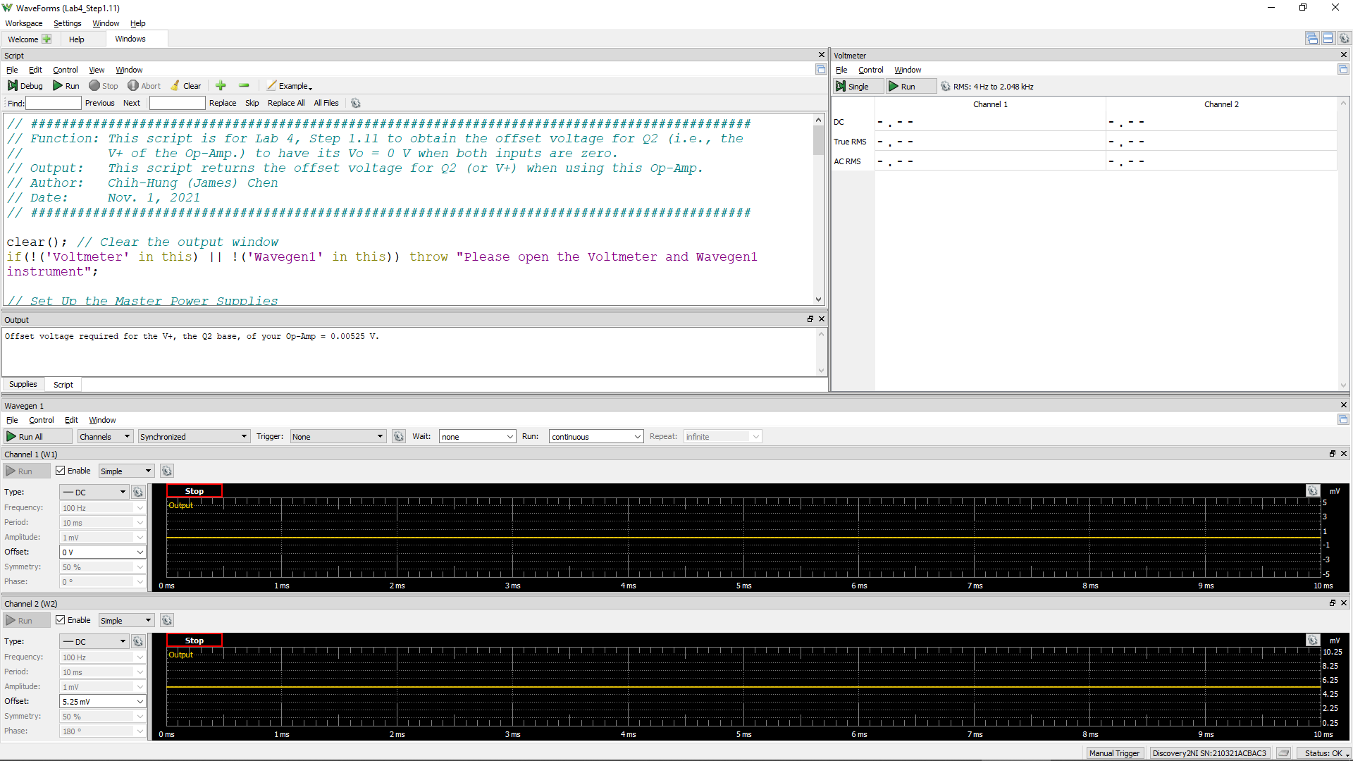
Offset Voltage for Q2
Volt
0.00355

Step 1.13
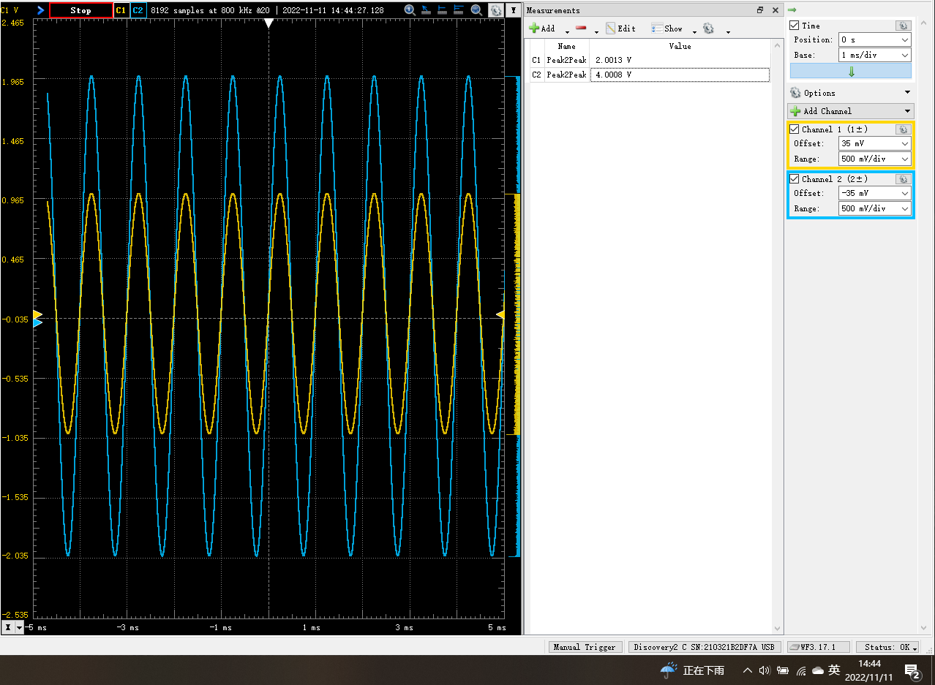
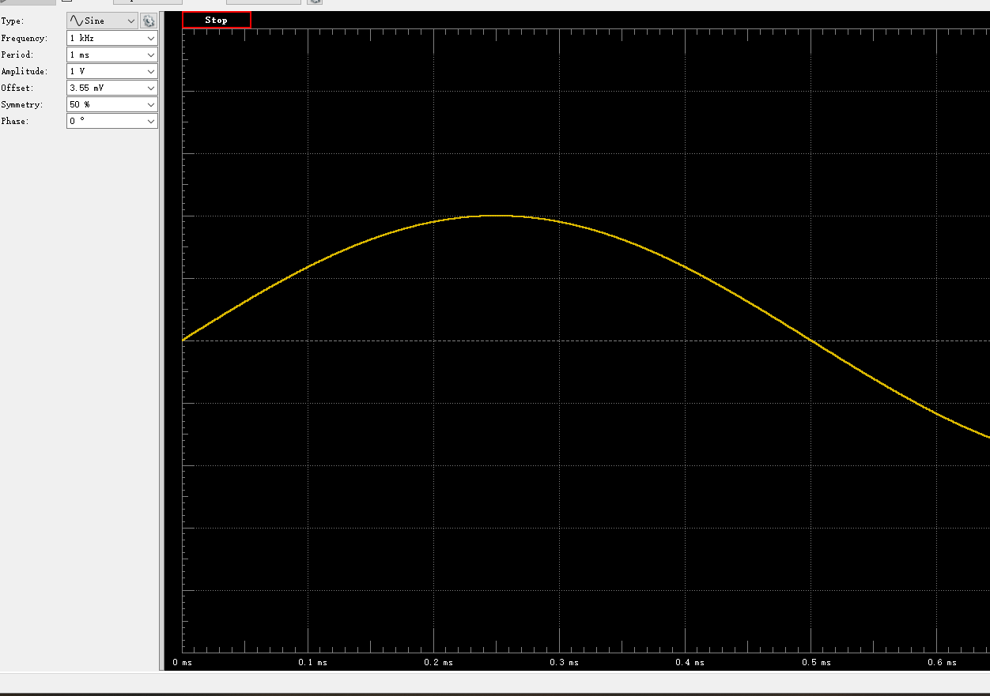
Time (s) | Channel 1 (V) | Channel 2 (V)
-0.00468875 | 0.93126886032 | 1.9064110579
-0.0046875 | 0.92906675872 | 1.901307968
-0.00468625 | 0.92610455254 | 1.8954033398
-0.004685 | 0.92289213144 | 1.8894768295
-0.00468375 | 0.91962249017 | 1.882871244
-0.0046825 | 0.91659175073 | 1.8765319622
-0.00468125 | 0.91346717642 | 1.8706851379
-0.00468 | 0.91044191689 | 1.8640571751
-0.00467875 | 0.90718777009 | 1.8576154186
-0.0046775 | 0.90385541579 | 1.8506471082
-0.00467625 | 0.90035474145 | 1.8436319797
-0.004675 | 0.89663036932 | 1.8364238645
-0.00467375 | 0.8931198436 | 1.829671957
-0.0046725 | 0.88939869472 | 1.821931202
-0.00467125 | 0.88583786316 | 1.8143000996
-0.00467 | 0.88217682556 | 1.8071073973
-0.00466875 | 0.87846841727 | 1.7993636793
-0.0046675 | 0.87439408881 | 1.7910546029
-0.00466625 | 0.87064600091 | 1.7836193538
-0.004665 | 0.86681503731 | 1.7763585336
-0.00466375 | 0.86293362636 | 1.7684109694
-0.0046625 | 0.8588496006 | 1.7601661781
-0.00466125 | 0.85491572854 | 1.7518696597
-0.00466 | 0.85066227268 | 1.7430138558
-0.00465875 | 0.84631477257 | 1.7345716722
-0.0046575 | 0.8422100713 | 1.7264688474
-0.00465625 | 0.83799820632 | 1.7178823662
-0.004655 | 0.8334940302 | 1.7093611535
-0.00465375 | 0.82902138974 | 1.6997050852
-0.0046525 | 0.824551103 | 1.6901291904
-0.00465125 | 0.82018099757 | 1.68129472
-0.00465 | 0.81543807282 | 1.672394519
-0.00464875 | 0.81092033862 | 1.6633765493
-0.0046475 | 0.80620132524 | 1.6545488643
-0.00464625 | 0.8017855018 | 1.6447207253
-0.004645 | 0.79698446775 | 1.6346111522
-0.00464375 | 0.7918652852 | 1.62473565
-0.0046425 | 0.78726363039 | 1.6158735369
-0.00464125 | 0.78260177559 | 1.6058199346
-0.00464 | 0.77759614299 | 1.5956009537
-0.00463875 | 0.77238548831 | 1.5857650899
-0.0046375 | 0.76729726392 | 1.5753625504
-0.00463625 | 0.76210598957 | 1.5649701368
-0.004635 | 0.75710586626 | 1.5547154997
-0.00463375 | 0.75210909956 | 1.5444462749
-0.0046325 | 0.74661594111 | 1.5336552689
-0.00463125 | 0.74129407518 | 1.5235785812
-0.00463 | 0.7361575113 | 1.5123727973
-0.00462875 | 0.73075627235 | 1.5018265322
-0.0046275 | 0.72528661436 | 1.4911863407
-0.00462625 | 0.72009419718 | 1.4806291304
-0.004625 | 0.7145224055 | 1.4690525355
-0.00462375 | 0.70896412422 | 1.4582369039
-0.0046225 | 0.70312434758 | 1.4467785123
-0.00462125 | 0.69757073418 | 1.435348737
-0.00462 | 0.69205465319 | 1.4237419996
-0.00461875 | 0.68650935243 | 1.4130090795
-0.0046175 | 0.68051844428 | 1.401512702
-0.00461625 | 0.67495281417 | 1.389965217
-0.004615 | 0.6691112111 | 1.3778766048
-0.00461375 | 0.66318176065 | 1.3662343139
-0.0046125 | 0.65687017283 | 1.3535621226
-0.00461125 | 0.65107176271 | 1.3421764947
-0.00461 | 0.64518952163 | 1.3299958607
-0.00460875 | 0.63897610891 | 1.3176595541
-0.0046075 | 0.63309910157 | 1.306412913
-0.00460625 | 0.62710732846 | 1.2937906505
-0.004605 | 0.62062124333 | 1.2811098213
-0.00460375 | 0.61450232756 | 1.2688770031
-0.0046025 | 0.60843304847 | 1.2567298663
-0.00460125 | 0.6020124892 | 1.2434351253
-0.0046 | 0.5956582282 | 1.2306938632
-0.00459875 | 0.58953101666 | 1.2191352184
-0.0045975 | 0.58291046956 | 1.2055064299
-0.00459625 | 0.57644232425 | 1.1922465729
-0.004595 | 0.56978843763 | 1.1791171853
-0.00459375 | 0.56342048525 | 1.1666686921
-0.0045925 | 0.55723517363 | 1.1541500999
-0.00459125 | 0.55061529073 | 1.1411049445
-0.00459 | 0.54399126168 | 1.1274950446
-0.00458875 | 0.53731535592 | 1.1139300969
-0.0045875 | 0.53063648472 | 1.1009051675
-0.00458625 | 0.52390846575 | 1.0878270342
-0.004585 | 0.51742114078 | 1.074929196
-0.00458375 | 0.51065268538 | 1.0611939604
-0.0045825 | 0.50366101583 | 1.0472009512
-0.00458125 | 0.4968488801 | 1.0331406805
-0.00458 | 0.48995323178 | 1.0196605665
-0.00457875 | 0.48321099687 | 1.0058002915
-0.0045775 | 0.47615738047 | 0.99232190788
-0.00457625 | 0.46923828653 | 0.97808663905
-0.004575 | 0.46245729618 | 0.96524512916
-0.00457375 | 0.45531299706 | 0.95052958881
-0.0045725 | 0.44827199584 | 0.93600551804
-0.00457125 | 0.44117968862 | 0.92218780325
-0.00457 | 0.43433693971 | 0.90893308485
-0.00456875 | 0.42728982162 | 0.89387110218
-0.0045675 | 0.41974226361 | 0.87950338811
-0.00456625 | 0.41280467738 | 0.86590743752
-0.004565 | 0.40585072757 | 0.85144806446
-0.00456375 | 0.39838082536 | 0.83631556733
-0.0045625 | 0.39123632337 | 0.82256242596
-0.00456125 | 0.38387512539 | 0.8080538834
-0.00456 | 0.37642434904 | 0.79309992446
-0.00455875 | 0.36936775791 | 0.77922971636
-0.0045575 | 0.36189517805 | 0.76409807411
-0.00455625 | 0.35456208911 | 0.74965937719
-0.004555 | 0.34750120623 | 0.73512039621
-0.00455375 | 0.33999380652 | 0.72026770259
-0.0045525 | 0.3324431097 | 0.70517616439
-0.00455125 | 0.32505601588 | 0.69057078037
-0.00455 | 0.31763195128 | 0.67527174578
-0.00454875 | 0.30989486334 | 0.6602720801
-0.0045475 | 0.30220381702 | 0.64506146374
-0.00454625 | 0.2946905641 | 0.62968903429
-0.004545 | 0.28719963429 | 0.61560540174
-0.00454375 | 0.27977264769 | 0.60065290671
-0.0045425 | 0.2723875489 | 0.58557890622
-0.00454125 | 0.26476834253 | 0.56981929746
-0.00454 | 0.25695004794 | 0.55469577977
-0.00453875 | 0.24950397039 | 0.53980412886
-0.0045375 | 0.24150643462 | 0.52390166362
-0.00453625 | 0.23395659805 | 0.50918407136
-0.004535 | 0.22666103626 | 0.49423740259
-0.00453375 | 0.21895042766 | 0.47890068121
-0.0045325 | 0.21117982626 | 0.46278287877
-0.00453125 | 0.20336570825 | 0.44827872426
-0.00453 | 0.19577303086 | 0.43249609345
-0.00452875 | 0.1878850916 | 0.41641795147
-0.0045275 | 0.17989274147 | 0.4010593964
-0.00452625 | 0.17230258513 | 0.38553626953
-0.004525 | 0.16477756935 | 0.37051464824
-0.00452375 | 0.1568014034 | 0.35471499249
-0.0045225 | 0.14924400584 | 0.33912867939
-0.00452125 | 0.14144589516 | 0.32333726863
-0.00452 | 0.13373532637 | 0.30852518306
-0.00451875 | 0.12595181793 | 0.29264987114
-0.0045175 | 0.11792381084 | 0.27698240466
-0.00451625 | 0.11000052374 | 0.26105196606
-0.004515 | 0.10229164459 | 0.24538555694
-0.00451375 | 0.094249588253 | 0.22896899194
-0.0045125 | 0.08650485058 | 0.21412981731
-0.00451125 | 0.078868493957 | 0.19871268777
-0.00451 | 0.070926355099 | 0.18274496671
-0.00450875 | 0.062904963341 | 0.16700901235
-0.0045075 | 0.055218569854 | 0.15138152341
-0.00450625 | 0.047323355225 | 0.13561681316
-0.004505 | 0.039374165411 | 0.12031904091
-0.00450375 | 0.03162215059 | 0.10434194423
-0.0045025 | 0.023633120056 | 0.088590569233
-0.00450125 | 0.015773363303 | 0.072835395043
-0.0045 | 0.008037662741 | 0.057106458447
-0.00449875 | 0.00024014612704 | 0.041375983057
-0.0044975 | -0.0077984846437 | 0.02565642226
-0.00449625 | -0.015799495781 | 0.0095250128985
-0.004495 | -0.023572931531 | -0.005678815174
-0.00449375 | -0.031442066404 | -0.02184741534
-0.0044925 | -0.039543244553 | -0.037997934466
-0.00449125 | -0.047158830177 | -0.052663982317
-0.00449 | -0.055087830335 | -0.068609614609
-0.00448875 | -0.062976813418 | -0.084346017016
-0.0044875 | -0.070984458221 | -0.10037408673
-0.00448625 | -0.078690607669 | -0.11577280448
-0.004485 | -0.086471460007 | -0.13186757928
-0.00448375 | -0.094380258327 | -0.14760216114
-0.0044825 | -0.1022451711 | -0.16278890243
-0.00448125 | -0.11021232219 | -0.17912898767
-0.00448 | -0.11797472135 | -0.19482818427
-0.00447875 | -0.12562079352 | -0.20969350677
-0.0044775 | -0.13330791728 | -0.22548437633
-0.00447625 | -0.14131341811 | -0.24034658879
-0.004475 | -0.14915316987 | -0.25631777525
-0.00447375 | -0.15695505249 | -0.27217187245
-0.0044725 | -0.16467967861 | -0.28759304376
-0.00447125 | -0.17236844254 | -0.30319534209
-0.00447 | -0.18004485283 | -0.31838918083
-0.00446875 | -0.18765269704 | -0.33367649785
-0.0044675 | -0.19570199542 | -0.34937332446
-0.00446625 | -0.20321791952 | -0.36481194586
-0.004465 | -0.21105677599 | -0.38043779718
-0.00446375 | -0.21885208306 | -0.39609321805
-0.0044625 | -0.22635796113 | -0.41097186583
-0.00446125 | -0.23434041703 | -0.4263337207
-0.00446 | -0.24180993362 | -0.44144154158
-0.00445875 | -0.24924674088 | -0.45664970098
-0.0044575 | -0.25704007847 | -0.4720209838
-0.00445625 | -0.26467032922 | -0.48751755678
-0.004455 | -0.2721055075 | -0.50250799762
-0.00445375 | -0.27960343374 | -0.51684046949
-0.0044525 | -0.2870765099 | -0.53177303215
-0.00445125 | -0.29448806897 | -0.54714032968
-0.00445 | -0.30207526093 | -0.5615771308
-0.00444875 | -0.30946601168 | -0.57756198609
-0.0044475 | -0.3171632484 | -0.59194506774
-0.00444625 | -0.32491666136 | -0.60709272863
-0.004445 | -0.33215159558 | -0.62174653592
-0.00444375 | -0.3394344376 | -0.63622251876
-0.0044425 | -0.34697482806 | -0.65071438876
-0.00444125 | -0.35442788183 | -0.6664300303
-0.00444 | -0.36167546491 | -0.68051566602
-0.00443875 | -0.36904573615 | -0.69489287791
-0.0044375 | -0.37628995801 | -0.70986349012
-0.00443625 | -0.38365396815 | -0.72421974907
-0.004435 | -0.39088765106 | -0.73869877608
-0.00443375 | -0.39800993616 | -0.75312516301
-0.0044325 | -0.40523147272 | -0.76720532673
-0.00443125 | -0.41250592538 | -0.78107984713
-0.00443 | -0.41961003534 | -0.79546993254
-0.00442875 | -0.42676244646 | -0.80960738162
-0.0044275 | -0.43392027839 | -0.82426990598
-0.00442625 | -0.44103768164 | -0.83866908019
-0.004425 | -0.44818467721 | -0.8528088378
-0.00442375 | -0.45493054149 | -0.86586619324
-0.0044225 | -0.46174146551 | -0.87951781185
-0.00442125 | -0.46882789792 | -0.89342934136
-0.00442 | -0.4758378997 | -0.9075105273
-0.00441875 | -0.48250605804 | -0.92116962578
-0.0044175 | -0.48928292614 | -0.93480020483
-0.00441625 | -0.49644754724 | -0.94866187703
-0.004415 | -0.5034520945 | -0.96244989539
-0.00441375 | -0.51024291774 | -0.97624783783
-0.0044125 | -0.51674375285 | -0.98893511013
-0.00441125 | -0.52330422352 | -1.0022356349
-0.00441 | -0.53023191916 | -1.0159783824
-0.00440875 | -0.53687080324 | -1.0291637479
-0.0044075 | -0.54344141872 | -1.0423707291
-0.00440625 | -0.54980183747 | -1.0551702135
-0.004405 | -0.55654976866 | -1.0682332453
-0.00440375 | -0.56304589226 | -1.0815605458
-0.0044025 | -0.56946411739 | -1.0944024659
-0.00440125 | -0.57596853504 | -1.1068362532
-0.0044 | -0.58249900149 | -1.1199217643
-0.00439875 | -0.58868940218 | -1.1322063486
-0.0043975 | -0.5948467233 | -1.1444823324
-0.00439625 | -0.60127197921 | -1.157230405
-0.004395 | -0.60747214649 | -1.1697784927
-0.00439375 | -0.61349543338 | -1.182055285
-0.0043925 | -0.6199335251 | -1.1948552633
-0.00439125 | -0.62621790142 | -1.2068099956
-0.00439 | -0.63207710506 | -1.2183891289
-0.00438875 | -0.63798526795 | -1.2307944465
-0.0043875 | -0.64416324809 | -1.2427669465
-0.00438625 | -0.65023259976 | -1.2550067084
-0.004385 | -0.65590771101 | -1.2659374081
-0.00438375 | -0.66174036663 | -1.2781844078
-0.0043825 | -0.66807357516 | -1.2904837752
-0.00438125 | -0.67405130855 | -1.3019276397
-0.00438 | -0.67953465521 | -1.3130909031
-0.00437875 | -0.68497922525 | -1.3239123691
-0.0043775 | -0.69080256912 | -1.3355969042
-0.00437625 | -0.69652635781 | -1.3469843569
-0.004375 | -0.70208153712 | -1.3578526805
-0.00437375 | -0.70766774216 | -1.3694881763
-0.0043725 | -0.71337630459 | -1.3802777984
-0.00437125 | -0.71884602138 | -1.3914375282
-0.00437 | -0.72401606533 | -1.4021674596
-0.00436875 | -0.72943849855 | -1.4130132752
-0.0043675 | -0.73509136759 | -1.4236867817
-0.00436625 | -0.74017257371 | -1.4338825397
-0.004365 | -0.74493040313 | -1.4433483704
-0.00436375 | -0.75026546522 | -1.4543805036
-0.0043625 | -0.7557609341 | -1.4648898911
-0.00436125 | -0.7609453385 | -1.4749454472
-0.00436 | -0.76587478651 | -1.4855677392
-0.00435875 | -0.77070159939 | -1.4950880337
-0.0043575 | -0.77593259536 | -1.5055922235
-0.00435625 | -0.7808079612 | -1.5149543778
-0.004355 | -0.78569639475 | -1.5245103501
-0.00435375 | -0.79031922776 | -1.5341418778
-0.0043525 | -0.79523196726 | -1.5440196673
-0.00435125 | -0.79979505412 | -1.5533071645
-0.00435 | -0.80451361336 | -1.5624337489
-0.00434875 | -0.80928074954 | -1.5720358776
-0.0043475 | -0.81376924387 | -1.5806579065
-0.00434625 | -0.81820556487 | -1.590018486
-0.004345 | -0.82257974959 | -1.598834044
-0.00434375 | -0.82697601266 | -1.6075240507
-0.0043425 | -0.83136681745 | -1.6166608459
-0.00434125 | -0.8355856516 | -1.6246757056
-0.00434 | -0.83995804951 | -1.6327312803
-0.00433875 | -0.84421971209 | -1.6414972531
-0.0043375 | -0.84840019654 | -1.6496814074
-0.00433625 | -0.85265236741 | -1.6585608235
-0.004335 | -0.85643117503 | -1.6657972541
-0.00433375 | -0.86037827344 | -1.6740798526
-0.0043325 | -0.86477827349 | -1.6821701253
-0.00433125 | -0.86858243583 | -1.6897836251
-0.00433 | -0.87206540771 | -1.6972427112
-0.00432875 | -0.87586368949 | -1.7048977385
-0.0043275 | -0.87947248245 | -1.7118981211
-0.00432625 | -0.88341729412 | -1.7194164913
-0.004325 | -0.88725074727 | -1.7270464836
-0.00432375 | -0.89057126459 | -1.73393709
-0.0043225 | -0.89419208538 | -1.7410717377
-0.00432125 | -0.89763888597 | -1.7478329567
-0.00432 | -0.9009765041 | -1.7548604129
-0.00431875 | -0.90434208606 | -1.7615118209
-0.0043175 | -0.90752963505 | -1.7677127809
-0.00431625 | -0.91071222697 | -1.7742634308
-0.004315 | -0.91376721705 | -1.7805949157
-0.00431375 | -0.91671760649 | -1.7865329357
-0.0043125 | -0.92001165501 | -1.7933035306
-0.00431125 | -0.92302623298 | -1.7989141599
-0.00431 | -0.92615276786 | -1.8048677353
-0.00430875 | -0.92914878663 | -1.8109269189
-0.0043075 | -0.93197716529 | -1.8166125767
-0.00430625 | -0.93464766681 | -1.8216672811
-0.004305 | -0.93727367059 | -1.8265902957
-0.00430375 | -0.93981102837 | -1.8320876189
-0.0043025 | -0.94237891118 | -1.8378577764
-0.00430125 | -0.94512058217 | -1.8430061874
-0.0043 | -0.94741587469 | -1.8475949338
-0.00429875 | -0.95006814132 | -1.853191832
-0.0042975 | -0.9525393148 | -1.8574060214
-0.00429625 | -0.95476274004 | -1.8621271419
-0.004295 | -0.95694429705 | -1.8667839905
-0.00429375 | -0.95895071184 | -1.8710630633
-0.0042925 | -0.9609452727 | -1.8753123305
-0.00429125 | -0.96319405021 | -1.8793791644
-0.00429 | -0.96509193339 | -1.8826766303
-0.00428875 | -0.96719381365 | -1.8871539381
-0.0042875 | -0.96918845264 | -1.890381816
-0.00428625 | -0.97089850789 | -1.8941272585
-0.004285 | -0.97267206519 | -1.8980518682
-0.00428375 | -0.97429598346 | -1.901149567
-0.0042825 | -0.97604803728 | -1.9041948735
-0.00428125 | -0.97790893546 | -1.9080336521
-0.00428 | -0.97934692738 | -1.9108092263
-0.00427875 | -0.98063773538 | -1.9131790544
-0.0042775 | -0.9821081938 | -1.9166236641
-0.00427625 | -0.98328012479 | -1.9188914557
-0.004275 | -0.98442005022 | -1.9212024879
-0.00427375 | -0.98584642421 | -1.9240229091
-0.0042725 | -0.98697524297 | -1.9261221872
-0.00427125 | -0.98799020912 | -1.9279748074
-0.00427 | -0.98928806125 | -1.9302824006
-0.00426875 | -0.99012247176 | -1.932398209
-0.0042675 | -0.99107872588 | -1.9344129654
-0.00426625 | -0.992152553 | -1.9366843882
-0.004265 | -0.99306349835 | -1.9376616106
-0.00426375 | -0.99356561576 | -1.9383130666
-0.0042625 | -0.99436718935 | -1.9404780331
-0.00426125 | -0.99488303096 | -1.9415763316
-0.00426 | -0.99545451913 | -1.9425664338
-0.00425875 | -0.9961389351 | -1.9438214208
-0.0042575 | -0.99650026832 | -1.9444768439
-0.00425625 | -0.99672634498 | -1.944863541
-0.004255 | -0.997186267 | -1.9457283469
-0.00425375 | -0.99730600396 | -1.946275058
-0.0042525 | -0.99779748551 | -1.9467880091
-0.00425125 | -0.99774152105 | -1.9465002104
-0.00425 | -0.99766710933 | -1.9465279674
-0.00424875 | -0.99760964824 | -1.9465228502
-0.0042475 | -0.9976743568 | -1.9467809825
-0.00424625 | -0.99759287712 | -1.9461001252
-0.004245 | -0.99746605571 | -1.9457895267
-0.00424375 | -0.99714516675 | -1.9452574907
-0.0042425 | -0.99664138071 | -1.9448159248
-0.00424125 | -0.99654548912 | -1.9440531012
-0.00424 | -0.99607595086 | -1.9432471754
-0.00423875 | -0.99539932589 | -1.9418215128
-0.0042375 | -0.99496604329 | -1.9410146045
-0.00423625 | -0.99440098362 | -1.9399104147
-0.004235 | -0.99374115968 | -1.9384610175
-0.00423375 | -0.99272481569 | -1.9365135284
-0.0042325 | -0.9918088565 | -1.9350065367
-0.00423125 | -0.99104795016 | -1.9330889469
-0.00423 | -0.99019019112 | -1.9311358427
-0.00422875 | -0.98924893701 | -1.9295073944
-0.0042275 | -0.98826865297 | -1.9273922646
-0.00422625 | -0.98710549153 | -1.924752302
-0.004225 | -0.98592806089 | -1.9228078429
-0.00422375 | -0.98459376138 | -1.9205487126
-0.0042225 | -0.98319585854 | -1.9174532
-0.00422125 | -0.98201109139 | -1.9146141532
-0.00422 | -0.98096424448 | -1.9123161484
-0.00421875 | -0.97925339633 | -1.9088613329
-0.0042175 | -0.97764413237 | -1.9059063525
-0.00421625 | -0.97606078316 | -1.902644767
-0.004215 | -0.97445377594 | -1.8990668092
-0.00421375 | -0.97262622114 | -1.8953257907
-0.0042125 | -0.9707912527 | -1.8917323153
-0.00421125 | -0.96896017034 | -1.8882780456
-0.00421 | -0.96698061759 | -1.8843934881
-0.00420875 | -0.96511487382 | -1.8812185115
-0.0042075 | -0.96295783967 | -1.8767311926
-0.00420625 | -0.96101095976 | -1.8724060527
-0.004205 | -0.95899906489 | -1.8683979363
-0.00420375 | -0.95685682821 | -1.864402745
-0.0042025 | -0.95454209689 | -1.8595461542
-0.00420125 | -0.95230993607 | -1.8550020801
-0.0042 | -0.94994048634 | -1.850221251
-0.00419875 | -0.94746425888 | -1.8447862018
-0.0041975 | -0.94491312068 | -1.8397133137
-0.00419625 | -0.94217602668 | -1.8341102115
-0.004195 | -0.93996829952 | -1.8298025546
-0.00419375 | -0.93734899992 | -1.8248919117
-0.0041925 | -0.93436448025 | -1.8187659528
-0.00419125 | -0.93181732887 | -1.8131438137
-0.00419 | -0.92891021349 | -1.8072796668
-0.00418875 | -0.92608209476 | -1.8017255863
-0.0041875 | -0.92302923665 | -1.7952321359
-0.00418625 | -0.91987188395 | -1.7893138029
-0.004185 | -0.91671731359 | -1.7832798138
-0.00418375 | -0.91355123504 | -1.7767360868
-0.0041825 | -0.91063081962 | -1.7709854058
-0.00418125 | -0.90770075793 | -1.7647734023
-0.00418 | -0.9041207462 | -1.7581174089
-0.00417875 | -0.90078307164 | -1.7506541285
-0.0041775 | -0.89746189168 | -1.7440531019
-0.00417625 | -0.89406090216 | -1.7369650779
-0.004175 | -0.89078964041 | -1.7302253048
-0.00417375 | -0.88726667469 | -1.7231083825
-0.0041725 | -0.88328584964 | -1.7151658857
-0.00417125 | -0.87959012632 | -1.7083622028
-0.00417 | -0.87571905471 | -1.7004969404
-0.00416875 | -0.87195517062 | -1.6927622646
-0.0041675 | -0.86831036192 | -1.6854565641
-0.00416625 | -0.86432872962 | -1.6772762891
-0.004165 | -0.86017069341 | -1.6690352905
-0.00416375 | -0.85628136769 | -1.6617509461
-0.0041625 | -0.85244676712 | -1.6536072345
-0.00416125 | -0.84841919573 | -1.6455125001
-0.00416 | -0.84447784332 | -1.637365903
-0.00415875 | -0.84001580384 | -1.6283120508
-0.0041575 | -0.83560703872 | -1.6198737964
-0.00415625 | -0.83109420771 | -1.6105283948
-0.004155 | -0.82702090595 | -1.6026688004
-0.00415375 | -0.8226345292 | -1.5936531649
-0.0041525 | -0.81801456575 | -1.5844106099
-0.00415125 | -0.81361558191 | -1.5762405966
-0.00415 | -0.80917826026 | -1.5670322485
-0.00414875 | -0.80474454231 | -1.5576475702
-0.0041475 | -0.79969078415 | -1.547807569
-0.00414625 | -0.79485680973 | -1.5384230234
-0.004145 | -0.79018587303 | -1.5285767242
-0.00414375 | -0.78546440314 | -1.519298076
-0.0041425 | -0.78057566441 | -1.5094018053
-0.00414125 | -0.77573123406 | -1.4995877477
-0.00414 | -0.77076113066 | -1.4896957908
-0.00413875 | -0.76540761826 | -1.4792543265
-0.0041375 | -0.76062308091 | -1.4689916132
-0.00413625 | -0.75565082944 | -1.4594988729
-0.004135 | -0.75021877475 | -1.4487327672
-0.00413375 | -0.74522909773 | -1.4381647585
-0.0041325 | -0.74008810176 | -1.4281964886
-0.00413125 | -0.73475833765 | -1.4174426494
-0.00413 | -0.72928051807 | -1.4060733606
-0.00412875 | -0.7237316245 | -1.395651481
-0.0041275 | -0.71851227113 | -1.3859253622
-0.00412625 | -0.71303971286 | -1.3742648121
-0.004125 | -0.7074557571 | -1.3628344903
-0.00412375 | -0.70170668321 | -1.351012688
-0.0041225 | -0.696117827 | -1.3404323046
-0.00412125 | -0.69047480403 | -1.3293780746
-0.00412 | -0.68510577618 | -1.3186174792
-0.00411875 | -0.67950498702 | -1.3068052708
-0.0041175 | -0.67382676656 | -1.2953539595
-0.00411625 | -0.66785373602 | -1.2837503185
-0.004115 | -0.66164352665 | -1.2711521644
-0.00411375 | -0.65592561325 | -1.260305205
-0.0041125 | -0.6498879823 | -1.2477458189
-0.00411125 | -0.64375330172 | -1.2360473386
-0.00411 | -0.63786423356 | -1.2242063725
-0.00410875 | -0.63190005188 | -1.2121568777
-0.0041075 | -0.62598209917 | -1.2001480368
-0.00410625 | -0.61973807325 | -1.1878970726
-0.004105 | -0.61372539881 | -1.1755037288
-0.00410375 | -0.60734358856 | -1.1624810792
-0.0041025 | -0.60091850922 | -1.1502366348
-0.00410125 | -0.59459136443 | -1.1374243793
-0.0041 | -0.58847233961 | -1.1250716781
-0.00409875 | -0.5822204279 | -1.1122634924
-0.0040975 | -0.57579490547 | -1.099599934
-0.00409625 | -0.5691719125 | -1.0867259852
-0.004095 | -0.56271423527 | -1.073694471
-0.00409375 | -0.55633895804 | -1.0609679663
-0.0040925 | -0.54976267972 | -1.0484235978
-0.00409125 | -0.54310221171 | -1.034691663
-0.00409 | -0.53654863462 | -1.021619086
-0.00408875 | -0.5298737551 | -1.0084803222
-0.0040875 | -0.52314010281 | -0.9946793965
-0.00408625 | -0.51658118102 | -0.98175534539
-0.004085 | -0.50999869797 | -0.96869379589
-0.00408375 | -0.50314716585 | -0.95435143043
-0.0040825 | -0.4962961946 | -0.94158593035
-0.00408125 | -0.48940162838 | -0.92745613294
-0.00408 | -0.48255601236 | -0.91323038086
-0.00407875 | -0.47564878141 | -0.9000978261
-0.0040775 | -0.46879817778 | -0.88639484522
-0.00407625 | -0.46167925126 | -0.87205554227
-0.004075 | -0.45487584639 | -0.85837467018
-0.00407375 | -0.44785294376 | -0.84437091605
-0.0040725 | -0.44056754633 | -0.82980973826
-0.00407125 | -0.43374964899 | -0.81707622877
-0.00407 | -0.42684349589 | -0.80241790875
-0.00406875 | -0.41943690851 | -0.78818347158
-0.0040675 | -0.41220911911 | -0.77295908455
-0.00406625 | -0.40508845297 | -0.75980660356
-0.004065 | -0.39791239308 | -0.74529164596
-0.00406375 | -0.39084326863 | -0.73082351072
-0.0040625 | -0.38346978869 | -0.71618208515
-0.00406125 | -0.37618111964 | -0.70131748661
-0.00406 | -0.36895801648 | -0.68635427858
-0.00405875 | -0.36149269788 | -0.67200556832
-0.0040575 | -0.35413974091 | -0.6576703586
-0.00405625 | -0.34671017978 | -0.64320369174
-0.004055 | -0.33945291213 | -0.62839487181
-0.00405375 | -0.33201213906 | -0.61367529603
-0.0040525 | -0.32460224608 | -0.59863009572
-0.00405125 | -0.31698833061 | -0.58347810949
-0.00405 | -0.30963225114 | -0.56904541969
-0.00404875 | -0.30211541467 | -0.55369000709
-0.0040475 | -0.29415929479 | -0.53842777271
-0.00404625 | -0.28692862942 | -0.52319589243
-0.004045 | -0.27945710227 | -0.50848550868
-0.00404375 | -0.27172373832 | -0.49389751732
-0.0040425 | -0.26447954075 | -0.47892536698
-0.00404125 | -0.25685854688 | -0.46298997536
-0.00404 | -0.2491211824 | -0.44809016277
-0.00403875 | -0.2417047416 | -0.43351141127
-0.0040375 | -0.23402733355 | -0.41717339393
-0.00403625 | -0.22615783707 | -0.40259695944
-0.004035 | -0.21840172995 | -0.38743756204
-0.00403375 | -0.21079629398 | -0.37202627832
-0.0040325 | -0.2031778222 | -0.35598426857
-0.00403125 | -0.19559085856 | -0.34067672363
-0.00403 | -0.18765842402 | -0.32564525728
-0.00402875 | -0.17984475002 | -0.31007027934
-0.0040275 | -0.17222244355 | -0.29470846181
-0.00402625 | -0.16436158371 | -0.27876852757
-0.004025 | -0.15686267676 | -0.26369888129
-0.00402375 | -0.14879500979 | -0.24774942195
-0.0040225 | -0.14078397843 | -0.23206132661
-0.00402125 | -0.13312790152 | -0.2167284144
-0.00402 | -0.12558421418 | -0.20114849713
-0.00401875 | -0.1179112895 | -0.18601314392
-0.0040175 | -0.11012636235 | -0.17006855553
-0.00401625 | -0.10195608058 | -0.15421460446
-0.004015 | -0.094254886944 | -0.13872035133
-0.00401375 | -0.086320611724 | -0.12335158225
-0.0040125 | -0.07832209793 | -0.10688491235
-0.00401125 | -0.070562132972 | -0.091196205791
-0.00401 | -0.062722924232 | -0.075501347492
-0.00400875 | -0.054766736203 | -0.060178652547
-0.0040075 | -0.04694032438 | -0.044378540045
-0.00400625 | -0.039190653807 | -0.028748011379
-0.004005 | -0.031275911045 | -0.013341241005
-0.00400375 | -0.023560693305 | 0.0024953743516
-0.0040025 | -0.015577653241 | 0.018481581567
-0.00400125 | -0.0075005733331 | 0.034225787156
-0.004 | 0.00035059942779 | 0.050096402808
-0.00399875 | 0.0080861113239 | 0.065993436095
-0.0039975 | 0.016022222184 | 0.082113047354
-0.00399625 | 0.023883104219 | 0.097712263272
-0.003995 | 0.031829271712 | 0.11264037897
-0.00399375 | 0.039811961197 | 0.12865767542
-0.0039925 | 0.047490152699 | 0.14465780635
-0.00399125 | 0.055221371274 | 0.15962689082
-0.00399 | 0.062974370677 | 0.17589010458
-0.00398875 | 0.071015522243 | 0.19181799446
-0.0039875 | 0.07912494592 | 0.20715486526
-0.00398625 | 0.086772930282 | 0.22237114319
-0.003985 | 0.094520538787 | 0.23812083747
-0.00398375 | 0.10247338828 | 0.25473939979
-0.0039825 | 0.110206847 | 0.27034670159
-0.00398125 | 0.11810633165 | 0.28530608536
-0.00398 | 0.1260384542 | 0.30093586765
-0.00397875 | 0.13363687621 | 0.31624921614
-0.0039775 | 0.14150837471 | 0.33254191307
-0.00397625 | 0.14922081332 | 0.3483130014
-0.003975 | 0.15697316536 | 0.36344521561
-0.00397375 | 0.16509381022 | 0.37906111877
-0.0039725 | 0.17284050234 | 0.39488966629
-0.00397125 | 0.18028350296 | 0.40937107711
-0.00397 | 0.18813322402 | 0.42543574626
-0.00396875 | 0.19580789786 | 0.44120068936
-0.0039675 | 0.2036466289 | 0.45625048242
-0.00396625 | 0.21127935525 | 0.47166794402
-0.003965 | 0.21879697611 | 0.4872166487
-0.00396375 | 0.22635212447 | 0.50203352007
-0.0039625 | 0.2341962091 | 0.5173002561
-0.00396125 | 0.24196567236 | 0.53254794663
-0.00396 | 0.2495961406 | 0.54762017946
-0.00395875 | 0.2573112556 | 0.56299132926
-0.0039575 | 0.26483142076 | 0.57858295301
-0.00395625 | 0.27255089843 | 0.5936048966
-0.003955 | 0.27986203836 | 0.60851298251
-0.00395375 | 0.28718910885 | 0.623348461
-0.0039525 | 0.29511371543 | 0.63861253325
-0.00395125 | 0.30255140196 | 0.65351242956
-0.00395 | 0.31013412564 | 0.66860743819
-0.00394875 | 0.31760607328 | 0.68355267555
-0.0039475 | 0.3249251493 | 0.6984092058
-0.00394625 | 0.33228425053 | 0.71359254036
-0.003945 | 0.33996614713 | 0.72812137416
-0.00394375 | 0.34741794394 | 0.74281354102
-0.0039425 | 0.35459986069 | 0.75749134598
-0.00394125 | 0.3620872582 | 0.77168006097
-0.00394 | 0.36949498843 | 0.78672605036
-0.00393875 | 0.37666403325 | 0.80097988676
-0.0039375 | 0.38413434136 | 0.81619078809
-0.00393625 | 0.39131206567 | 0.83043988422
-0.003935 | 0.39828686744 | 0.84492434982
-0.00393375 | 0.4056791916 | 0.85926858583
-0.0039325 | 0.41301829555 | 0.87341420232
-0.00393125 | 0.42015612551 | 0.88788160462
-0.00393 | 0.42747266394 | 0.90191921478
-0.00392875 | 0.43437108143 | 0.91594520924
-0.0039275 | 0.44127514875 | 0.93012634149
-0.00392625 | 0.44841063645 | 0.94455435016
-0.003925 | 0.4554416906 | 0.95851805787
-0.00392375 | 0.46242575189 | 0.9720906393
-0.0039225 | 0.4693791216 | 0.98586382483
-0.00392125 | 0.47624233631 | 0.99966471225
-0.00392 | 0.48324022157 | 1.013258366
-0.00391875 | 0.49009843721 | 1.0275554749
-0.0039175 | 0.4966705581 | 1.0409408198
-0.00391625 | 0.50361550024 | 1.054642148
-0.003915 | 0.51069943094 | 1.0686073038
-0.00391375 | 0.51741147489 | 1.0815050425
-0.0039125 | 0.52406682249 | 1.0952520275
-0.00391125 | 0.53092403082 | 1.1086138897
-0.00391 | 0.53722118306 | 1.1219691868
-0.00390875 | 0.54398984864 | 1.1350873589
-0.0039075 | 0.55066273649 | 1.148274615
-0.00390625 | 0.55729738389 | 1.1609030722
-0.003905 | 0.56382517385 | 1.1747781258
-0.00390375 | 0.57016560203 | 1.1870757654
-0.0039025 | 0.57656767497 | 1.199462872
-0.00390125 | 0.58307549129 | 1.2125148936
-0.0039 | 0.58931582162 | 1.2250151197
-0.00389875 | 0.59607945573 | 1.2383366115
-0.0038975 | 0.6023677696 | 1.2510769597
-0.00389625 | 0.608603432 | 1.2637472263
-0.003895 | 0.61475999679 | 1.2757039469
-0.00389375 | 0.62073788777 | 1.2881019582
-0.0038925 | 0.62707190168 | 1.3006084146
-0.00389125 | 0.63301093594 | 1.312641093
-0.00389 | 0.63925727109 | 1.3244132292
-0.00388875 | 0.64524525854 | 1.3368049801
-0.0038875 | 0.65122550435 | 1.3493747833
-0.00388625 | 0.65736107968 | 1.3604998381
-0.003885 | 0.66318190063 | 1.3725328615
-0.00388375 | 0.6690257681 | 1.3841798398
-0.0038825 | 0.67478690194 | 1.3961650555
-0.00388125 | 0.68052276006 | 1.4079142547
-0.00388 | 0.68649242518 | 1.4188583061
-0.00387875 | 0.69210683185 | 1.4298915293
-0.0038775 | 0.69796237344 | 1.4416835271
-0.00387625 | 0.70351293476 | 1.4526915652
-0.003875 | 0.70899961609 | 1.4639588684
-0.00387375 | 0.71449892911 | 1.4756160275
-0.0038725 | 0.72017392698 | 1.4867647568
-0.00387125 | 0.72550732789 | 1.4970537367
-0.00387 | 0.73092702183 | 1.5079512665
-0.00386875 | 0.73630912075 | 1.519031461
-0.0038675 | 0.74144435513 | 1.5290402185
-0.00386625 | 0.74673263674 | 1.5395942519
-0.003865 | 0.75205226912 | 1.550535342
-0.00386375 | 0.75697862994 | 1.5603536941
-0.0038625 | 0.76200760116 | 1.5707168113
-0.00386125 | 0.76717145043 | 1.5812157727
-0.00386 | 0.77257771717 | 1.5912365201
-0.00385875 | 0.77756871543 | 1.6014442344
-0.0038575 | 0.78245011662 | 1.6113373049
-0.00385625 | 0.78727176975 | 1.6206413877
-0.003855 | 0.7923758482 | 1.6312860261
-0.00385375 | 0.7970669454 | 1.6403652431
-0.0038525 | 0.80156724548 | 1.649527377
-0.00385125 | 0.80626703369 | 1.6588974704
-0.00385 | 0.81105409771 | 1.6687304697
-0.00384875 | 0.81568080041 | 1.6778593456
-0.0038475 | 0.82013788504 | 1.6866895241
-0.00384625 | 0.82479031009 | 1.6958684331
-0.003845 | 0.82892942512 | 1.7048579602
-0.00384375 | 0.83327515415 | 1.7134558741
-0.0038425 | 0.83805173269 | 1.7224204038
-0.00384125 | 0.84223853024 | 1.7308752867
-0.00384 | 0.84651404896 | 1.7393361591
-0.00383875 | 0.85073765324 | 1.7484883537
-0.0038375 | 0.85473401295 | 1.7563198528
-0.00383625 | 0.85897310789 | 1.7642469646
-0.003835 | 0.86309491085 | 1.7730824873
-0.00383375 | 0.86701026622 | 1.7804515667
-0.0038325 | 0.87077887271 | 1.7881102629
-0.00383125 | 0.87451280547 | 1.7964386693
-0.00383 | 0.87843343186 | 1.8037145378
-0.00382875 | 0.88237350583 | 1.8112172586
-0.0038275 | 0.88603132642 | 1.8189395489
-0.00382625 | 0.88963240769 | 1.82601278
-0.003825 | 0.89323244233 | 1.8333158737
-0.00382375 | 0.89678022917 | 1.8406131148
-0.0038225 | 0.90028424842 | 1.8474015432
-0.00382125 | 0.90366659817 | 1.854532107
-0.00382 | 0.907132451 | 1.8607815185
-0.00381875 | 0.91065653184 | 1.8681190076
-0.0038175 | 0.9137852821 | 1.8741558388
-0.00381625 | 0.91676834695 | 1.880689012
-0.003815 | 0.91968969962 | 1.8867982105
-0.00381375 | 0.92298859627 | 1.8926546671
-0.0038125 | 0.92608087684 | 1.8990118277
-0.00381125 | 0.92923473967 | 1.9055388514
-0.00381 | 0.93215750766 | 1.9110231837
-0.00380875 | 0.93513178961 | 1.9171930354
-0.0038075 | 0.93772844262 | 1.9223101631
-0.00380625 | 0.94050521438 | 1.9277631213
-0.003805 | 0.94350205531 | 1.9338991882
-0.00380375 | 0.94596192853 | 1.9391492517
-0.0038025 | 0.94866243948 | 1.9443419657
-0.00380125 | 0.95155086668 | 1.9499818033
-0.0038 | 0.95377386977 | 1.9546758974
-0.00379875 | 0.95593859518 | 1.9589110603
-0.0037975 | 0.95812205176 | 1.9635402749
-0.00379625 | 0.96061230493 | 1.9683794592
-0.003795 | 0.96272141078 | 1.9728335002
-0.00379375 | 0.96525901128 | 1.9776046985
-0.0037925 | 0.96735770906 | 1.9815443429
-0.00379125 | 0.9692537949 | 1.9846515048
-0.00379 | 0.97125137901 | 1.9894672759
-0.00378875 | 0.97309200125 | 1.9930097145
-0.0037875 | 0.97507722823 | 1.9971088871
-0.00378625 | 0.97664027369 | 2.0009318411
-0.003785 | 0.97830794048 | 2.0040348201
-0.00378375 | 0.98024360959 | 2.0076347495
-0.0037825 | 0.98191345309 | 2.0107327895
-0.00378125 | 0.98348920052 | 2.0142902606
-0.00378 | 0.9850375766 | 2.0170025488
-0.00377875 | 0.98663517276 | 2.0198667194
-0.0037775 | 0.98792743028 | 2.0230110174
-0.00377625 | 0.98929288216 | 2.0253835537
-0.003775 | 0.99043679068 | 2.0280404747
-0.00377375 | 0.99172721966 | 2.0303306984
-0.0037725 | 0.99290749725 | 2.0323525673
-0.00377125 | 0.99391528364 | 2.0345698504
-0.00377 | 0.99515007587 | 2.0369935648
-0.00376875 | 0.99625472344 | 2.0389189436
-0.0037675 | 0.99707652984 | 2.0409551783
-0.00376625 | 0.9976397597 | 2.0425207609
-0.003765 | 0.9985088189 | 2.0438217491
-0.00376375 | 0.99921444744 | 2.0449060078
-0.0037625 | 0.99993729439 | 2.0467274417
-0.00376125 | 1.0006034875 | 2.0478742171
-0.00376 | 1.0011469117 | 2.0489739588
-0.00375875 | 1.0014453096 | 2.0501166509
-0.0037575 | 1.0019676298 | 2.0505781036
-0.00375625 | 1.0024731784 | 2.0515604986
-0.003755 | 1.0027455393 | 2.0522432909
-0.00375375 | 1.0030001699 | 2.052421166
-0.0037525 | 1.0033484635 | 2.0529514137
-0.00375125 | 1.0031978945 | 2.0530867462
-0.00375 | 1.0031319926 | 2.0525326272
-0.00374875 | 1.0032280115 | 2.0528209913
-0.0037475 | 1.0032483347 | 2.0530387898
-0.00374625 | 1.0032931371 | 2.052677119
-0.003745 | 1.0030738348 | 2.0518674632
-0.00374375 | 1.0025751563 | 2.0517488748
-0.0037425 | 1.0022370771 | 2.050806611
-0.00374125 | 1.0021450027 | 2.0504880887
-0.00374 | 1.0017347982 | 2.0495779382
-0.00373875 | 1.0011638705 | 2.0488913646
-0.0037375 | 1.0005597591 | 2.0470214314
-0.00373625 | 0.99984661084 | 2.0460131275
-0.003735 | 0.99920821781 | 2.0449009168
-0.00373375 | 0.99859912003 | 2.0430678153
-0.0037325 | 0.99806059674 | 2.0414029453
-0.00373125 | 0.99708642724 | 2.0393511875
-0.00373 | 0.99605699859 | 2.0368438595
-0.00372875 | 0.99518056062 | 2.0356649616
-0.0037275 | 0.99404493411 | 2.033789701
-0.00372625 | 0.99298852716 | 2.0313062788
-0.003725 | 0.99157414047 | 2.0287808198
-0.00372375 | 0.99044362594 | 2.0266610836
-0.0037225 | 0.98903312513 | 2.023752996
-0.00372125 | 0.98780426092 | 2.0208448137
-0.00372 | 0.9864574346 | 2.018505213
-0.00371875 | 0.98479993365 | 2.0150553347
-0.0037175 | 0.98334956605 | 2.012379975
-0.00371625 | 0.98186561628 | 2.0090948922
-0.003715 | 0.98018041416 | 2.0055441252
-0.00371375 | 0.97836676008 | 2.0018555897
-0.0037125 | 0.976700545 | 1.9990114485
-0.00371125 | 0.97488577199 | 1.9948574907
-0.00371 | 0.9731937481 | 1.9913384939
-0.00370875 | 0.971286486 | 1.9878606274
-0.0037075 | 0.96916131398 | 1.9831154571
-0.00370625 | 0.96724651894 | 1.9786516778
-0.003705 | 0.96506081674 | 1.9748462145
-0.00370375 | 0.96276742673 | 1.9700210116
-0.0037025 | 0.96071995584 | 1.9659007869
-0.00370125 | 0.9581094792 | 1.9612575107
-0.0037 | 0.95578714654 | 1.9561633449
-0.00369875 | 0.95369472935 | 1.9514931457
-0.0036975 | 0.95137629594 | 1.9461609944
-0.00369625 | 0.9485232983 | 1.9407242998
-0.003695 | 0.94588080364 | 1.9357615787
-0.00369375 | 0.94319899481 | 1.9306509198
-0.0036925 | 0.94045473864 | 1.925529242
-0.00369125 | 0.93771035679 | 1.9200092148
-0.00369 | 0.93486585874 | 1.9141099076
-0.00368875 | 0.9319212698 | 1.9077974946
-0.0036875 | 0.9293442891 | 1.9022465625
-0.00368625 | 0.92631758896 | 1.8957349679
-0.003685 | 0.92307867206 | 1.8898135159
-0.00368375 | 0.9197646851 | 1.883309638
-0.0036825 | 0.91664779554 | 1.8770056011
-0.00368125 | 0.91357677649 | 1.870482159
-0.00368 | 0.91037847465 | 1.8636231625
-0.00367875 | 0.90717689084 | 1.8579126332
-0.0036775 | 0.90375167205 | 1.8507590794
-0.00367625 | 0.90028834437 | 1.8435316514
-0.003675 | 0.89657072252 | 1.8362277176
-0.00367375 | 0.89322771575 | 1.8300771217
-0.0036725 | 0.88958154542 | 1.8217973924
-0.00367125 | 0.88582448176 | 1.8144909376
-0.00367 | 0.882354476 | 1.8075672998
-0.00366875 | 0.87850372963 | 1.7998273133
-0.0036675 | 0.87441790899 | 1.7919129555
-0.00366625 | 0.87062297095 | 1.7841494832
-0.003665 | 0.86693944132 | 1.7760545588
-0.00366375 | 0.86304481178 | 1.7682382803
-0.0036625 | 0.8588979519 | 1.7600215675
-0.00366125 | 0.85473647631 | 1.7515662337
-0.00366 | 0.85054410969 | 1.743439258
-0.00365875 | 0.84627170177 | 1.7347066949
-0.0036575 | 0.84211283512 | 1.7255886779
-0.00365625 | 0.83787957324 | 1.7176946707
-0.003655 | 0.83340020175 | 1.7088830656
-0.00365375 | 0.82906113954 | 1.7002012704
-0.0036525 | 0.82462423411 | 1.6908774091
-0.00365125 | 0.8200607563 | 1.6814874531
-0.00365 | 0.81527589196 | 1.6721269768
-0.00364875 | 0.81086607891 | 1.6635248616
-0.0036475 | 0.80595958689 | 1.6536285399
-0.00364625 | 0.80147399092 | 1.6449646077
-0.003645 | 0.79715319844 | 1.6355816605
-0.00364375 | 0.79214468402 | 1.6250572304
-0.0036425 | 0.78709263703 | 1.614930917
-0.00364125 | 0.78232819399 | 1.6054342224
-0.00364 | 0.77759089884 | 1.5963252935
-0.00363875 | 0.77257081179 | 1.5857819952
-0.0036375 | 0.76731873367 | 1.5754582687
-0.00363625 | 0.76207950119 | 1.5652605078
-0.003635 | 0.75700095113 | 1.554923899
-0.00363375 | 0.75188506747 | 1.5443889831
-0.0036325 | 0.74668584252 | 1.5346958398
-0.00363125 | 0.74134478635 | 1.5232075284
-0.00363 | 0.73607021189 | 1.5125187168
-0.00362875 | 0.73073569547 | 1.5019919032
-0.0036275 | 0.72524166627 | 1.4911030754
-0.00362625 | 0.71988902922 | 1.48030141
-0.003625 | 0.71450296697 | 1.4692649522
-0.00362375 | 0.70919547434 | 1.458219872
-0.0036225 | 0.70327690847 | 1.4464274695
-0.00362125 | 0.69754809942 | 1.4356653187
-0.00362 | 0.69206135438 | 1.4241696782
-0.00361875 | 0.686393417 | 1.4124478314
-0.0036175 | 0.68059811633 | 1.4012001472
-0.00361625 | 0.6744469743 | 1.3890484543
-0.003615 | 0.66892553987 | 1.3779943462
-0.00361375 | 0.66326018655 | 1.3664177092
-0.0036125 | 0.65701002063 | 1.3540560901
-0.00361125 | 0.65117591553 | 1.3421801773
-0.00361 | 0.64528695386 | 1.3301823488
-0.00360875 | 0.63906602771 | 1.317923331
-0.0036075 | 0.63283340586 | 1.3060015358
-0.00360625 | 0.62700353597 | 1.2940440621
-0.003605 | 0.62075844998 | 1.2810753487
-0.00360375 | 0.61446541923 | 1.2689246465
-0.0036025 | 0.60847633314 | 1.2569425506
-0.00360125 | 0.60207654103 | 1.2439978157
-0.0036 | 0.5957598726 | 1.2309361195
-0.00359875 | 0.589261691 | 1.218884807
-0.0035975 | 0.58296482979 | 1.2047577277
-0.00359625 | 0.57646364137 | 1.1918503168
-0.003595 | 0.56998769748 | 1.1800177903
-0.00359375 | 0.5637350021 | 1.167541438
-0.0035925 | 0.55728396443 | 1.1538414258
-0.00359125 | 0.55045094133 | 1.1407979468
-0.00359 | 0.54387502054 | 1.1281262977
-0.00358875 | 0.5373057155 | 1.1140613036
-0.0035875 | 0.53070308051 | 1.1011003591
-0.00358625 | 0.52409423487 | 1.0876145111
-0.003585 | 0.51737882705 | 1.0747074955
-0.00358375 | 0.51042934177 | 1.06020382
-0.0035825 | 0.50360471292 | 1.0471812917
-0.00358125 | 0.49691717267 | 1.0335096653
-0.00358 | 0.4900008094 | 1.01977763
-0.00357875 | 0.48321949863 | 1.0061067059
-0.0035775 | 0.47647020009 | 0.99267889545
-0.00357625 | 0.46925158359 | 0.97845193273
-0.003575 | 0.46214590499 | 0.96505854291
-0.00357375 | 0.45528889711 | 0.95064001551
-0.0035725 | 0.44837406668 | 0.93630365496
-0.00357125 | 0.44135649817 | 0.92265586212
-0.00357 | 0.43435393366 | 0.90871305521
-0.00356875 | 0.42707569225 | 0.89363899217
-0.0035675 | 0.41987004423 | 0.87987849483
-0.00356625 | 0.41257661751 | 0.86549618185
-0.003565 | 0.40569207229 | 0.85101881851
-0.00356375 | 0.39817531476 | 0.83684564633
-0.0035625 | 0.39131836142 | 0.82253528147
-0.00356125 | 0.3842050296 | 0.80826333174
-0.00356 | 0.37666227317 | 0.79348341994
-0.00355875 | 0.36915407046 | 0.77866608893
-0.0035575 | 0.36187529474 | 0.76409688817
-0.00355625 | 0.35441393346 | 0.74959552988
-0.003555 | 0.34712541683 | 0.73446711366
-0.00355375 | 0.34010578587 | 0.72053899771
-0.0035525 | 0.33247431834 | 0.70571186925
-0.00355125 | 0.32467408528 | 0.69022921845
-0.00355 | 0.3174389705 | 0.67487618051
-0.00354875 | 0.30984685717 | 0.66007574905
-0.0035475 | 0.30236933917 | 0.64539359115
-0.00354625 | 0.29504260093 | 0.63085168381
-0.003545 | 0.28732874888 | 0.61513931452
-0.00354375 | 0.27955676034 | 0.60045083128
-0.0035425 | 0.27223111158 | 0.58491297771
-0.00354125 | 0.26477793724 | 0.56997999819
-0.00354 | 0.25703828756 | 0.55459479749
-0.00353875 | 0.24935681114 | 0.53941460331
-0.0035375 | 0.24168122534 | 0.52442976159
-0.00353625 | 0.23412969078 | 0.50917775173
-0.003535 | 0.22656784479 | 0.49402509851
-0.00353375 | 0.21893017976 | 0.47849352925
-0.0035325 | 0.21131376395 | 0.46342707256
-0.00353125 | 0.20334850223 | 0.44742396773
-0.00353 | 0.19546266215 | 0.43192137452
-0.00352875 | 0.1879682856 | 0.41687052224
-0.0035275 | 0.18002346312 | 0.40118164895
-0.00352625 | 0.17258839282 | 0.38646407104
-0.003525 | 0.16484803759 | 0.37059639784
-0.00352375 | 0.15677849063 | 0.35480517866
-0.0035225 | 0.14910286128 | 0.33942378262
-0.00352125 | 0.1412957476 | 0.32316824581
-0.00352 | 0.13353567846 | 0.30785703653
-0.00351875 | 0.12565633943 | 0.29223364964
-0.0035175 | 0.11771114251 | 0.27713971722
-0.00351625 | 0.10999320827 | 0.26109052187
-0.003515 | 0.10230582171 | 0.24546857695
-0.00351375 | 0.094649708679 | 0.23012519652
-0.0035125 | 0.086812060978 | 0.21416411366
-0.00351125 | 0.078802648128 | 0.19862660218
-0.00351 | 0.070894272723 | 0.18327599267
-0.00350875 | 0.062984045039 | 0.16730552167
-0.0035075 | 0.055158373311 | 0.15122340825
-0.00350625 | 0.047378957546 | 0.13610295943
-0.003505 | 0.039405403745 | 0.11981306824
-0.00350375 | 0.031547317578 | 0.10427060334
-0.0035025 | 0.023743715361 | 0.088472694984
-0.00350125 | 0.015710867009 | 0.072442839103
-0.0035 | 0.0079591854155 | 0.056638182593
-0.00349875 | 0.00011372897276 | 0.041263778785
-0.0034975 | -0.0076886559123 | 0.025572201965
-0.00349625 | -0.015745293144 | 0.0098684977025
-0.003495 | -0.02357349327 | -0.0053566002674
-0.00349375 | -0.031466757265 | -0.021706048798
-0.0034925 | -0.039652465108 | -0.037844807424
-0.00349125 | -0.047357883968 | -0.052606191782
-0.00349 | -0.05487094405 | -0.06812945562
-0.00348875 | -0.062952547261 | -0.084851354798
-0.0034875 | -0.070698866315 | -0.099616213612
-0.00348625 | -0.07876418768 | -0.11587292283
-0.003485 | -0.086589644303 | -0.13226075863
-0.00348375 | -0.094498808238 | -0.1474859775
-0.0034825 | -0.10225682593 | -0.1632640927
-0.00348125 | -0.11006590801 | -0.17872835363
-0.00348 | -0.11796210428 | -0.1943245441
-0.00347875 | -0.12587116891 | -0.20958740803
-0.0034775 | -0.13354469811 | -0.22599920646
-0.00347625 | -0.14139325458 | -0.24142966693
-0.003475 | -0.14894889975 | -0.25610597023
-0.00347375 | -0.15665292057 | -0.27157829202
-0.0034725 | -0.1647984928 | -0.28774740239
-0.00347125 | -0.17270310628 | -0.30337860431
-0.00347 | -0.18022839078 | -0.31850545158
-0.00346875 | -0.18770947067 | -0.33391821695
-0.0034675 | -0.19563603246 | -0.34910256599
-0.00346625 | -0.20334168345 | -0.36484679101
-0.003465 | -0.21099801882 | -0.38017300234
-0.00346375 | -0.21891031744 | -0.39567500488
-0.0034625 | -0.22640659284 | -0.41133608758
-0.00346125 | -0.23422070747 | -0.42653362661
-0.00346 | -0.2416897709 | -0.44089923333
-0.00345875 | -0.24914432466 | -0.45628982354
-0.0034575 | -0.25707543435 | -0.47236026021
-0.00345625 | -0.26476818193 | -0.48753774173
-0.003455 | -0.27221980118 | -0.50189062665
-0.00345375 | -0.27989774309 | -0.51732745081
-0.0034525 | -0.2873100679 | -0.53220420158
-0.00345125 | -0.29441256165 | -0.5467164833
-0.00345 | -0.30170444307 | -0.56143726329
-0.00344875 | -0.3095353513 | -0.5770512956
-0.0034475 | -0.31726832437 | -0.5922788364
-0.00344625 | -0.32490661387 | -0.60701036877
-0.003445 | -0.33218020112 | -0.62132218591
-0.00344375 | -0.33967401329 | -0.63634201624
-0.0034425 | -0.34691806259 | -0.65109994579
-0.00344125 | -0.3543524985 | -0.66542749983
-0.00344 | -0.36172920754 | -0.68071223218
-0.00343875 | -0.3691548553 | -0.69510763221
-0.0034375 | -0.37634726388 | -0.70957633869
-0.00343625 | -0.38348912747 | -0.72441939037
-0.003435 | -0.39073619046 | -0.73824158608
-0.00343375 | -0.39802840929 | -0.75216375073
-0.0034325 | -0.40539895859 | -0.76725243181
-0.00343125 | -0.41272297221 | -0.78183418853
-0.00343 | -0.41968153342 | -0.79598744071
-0.00342875 | -0.4268805105 | -0.81023666124
-0.0034275 | -0.4340479533 | -0.82468324178
-0.00342625 | -0.44098248674 | -0.83827727443
-0.003425 | -0.44811461734 | -0.85231037365
-0.00342375 | -0.45519184537 | -0.86600005856
-0.0034225 | -0.46175410002 | -0.87977031908
-0.00342125 | -0.46883377463 | -0.89362587789
-0.00342 | -0.47582717598 | -0.90797303874
-0.00341875 | -0.48245874027 | -0.92125265976
-0.0034175 | -0.48949433754 | -0.93500482602
-0.00341625 | -0.49679194907 | -0.94909132482
-0.003415 | -0.50360950298 | -0.96271373317
-0.00341375 | -0.51006638559 | -0.97505143846
-0.0034125 | -0.51693369295 | -0.98938124447
-0.00341125 | -0.52357417422 | -1.0022845772
-0.00341 | -0.53006984355 | -1.0154678554
-0.00340875 | -0.5368396164 | -1.0288632435
-0.0034075 | -0.5434602138 | -1.0421074941
-0.00340625 | -0.54988932189 | -1.055254649
-0.003405 | -0.5564188813 | -1.0681814621
-0.00340375 | -0.56308704669 | -1.0812559691
-0.0034025 | -0.5693369143 | -1.0941451808
-0.00340125 | -0.57582251675 | -1.1069630535
-0.0034 | -0.58239161219 | -1.1198275198
-0.00339875 | -0.58852549551 | -1.1319617183
-0.0033975 | -0.59460882024 | -1.1442916233
-0.00339625 | -0.60101676027 | -1.1571090991
-0.003395 | -0.60741562234 | -1.1693889926
-0.00339375 | -0.61382584923 | -1.1821742701
-0.0033925 | -0.62003861944 | -1.1948922258
-0.00339125 | -0.62621397313 | -1.2066579625
-0.00339 | -0.63208915256 | -1.2184768682
-0.00338875 | -0.63802626898 | -1.2306032882
-0.0033875 | -0.64416545446 | -1.2424233793
-0.00338625 | -0.65039108854 | -1.2549605185
-0.003385 | -0.65607922202 | -1.2670175802
-0.00338375 | -0.66205635526 | -1.2785299431
-0.0033825 | -0.66796066189 | -1.2900452272
-0.00338125 | -0.6738361323 | -1.3015260971
-0.00338 | -0.67958534318 | -1.3129360116
-0.00337875 | -0.68519028424 | -1.3239271998
-0.0033775 | -0.69089170816 | -1.3360476208
-0.00337625 | -0.69657274761 | -1.3466337322
-0.003375 | -0.70185716477 | -1.3578273715
-0.00337375 | -0.70744395416 | -1.3693337191
-0.0033725 | -0.71305035312 | -1.379888133
-0.00337125 | -0.71847157695 | -1.3903663706
-0.00337 | -0.72406657022 | -1.4017934965
-0.00336875 | -0.72949294977 | -1.4126172456
-0.0033675 | -0.7349787302 | -1.4236202597
-0.00336625 | -0.74016943701 | -1.4342592692
-0.003365 | -0.7453432988 | -1.4444730813
-0.00336375 | -0.75043672847 | -1.4549058686
-0.0033625 | -0.75567061314 | -1.4648628005
-0.00336125 | -0.76094564182 | -1.4751983297
-0.00336 | -0.76590101707 | -1.4854973191
-0.00335875 | -0.77083100634 | -1.4953370533
-0.0033575 | -0.77565338864 | -1.5048194436
-0.00335625 | -0.78070192308 | -1.5150715921
-0.003355 | -0.78538838811 | -1.5239932785
-0.00335375 | -0.79025513054 | -1.533634827
-0.0033525 | -0.79531364867 | -1.5432256214
-0.00335125 | -0.80001723465 | -1.5534289023
-0.00335 | -0.80492511665 | -1.5627456113
-0.00334875 | -0.80917665704 | -1.571797086
-0.0033475 | -0.81358845898 | -1.5810256161
-0.00334625 | -0.81830647073 | -1.5894777779
-0.003345 | -0.82284234018 | -1.5988139376
-0.00334375 | -0.82697863491 | -1.6071127032
-0.0033425 | -0.83138913847 | -1.6163391528
-0.00334125 | -0.83565431728 | -1.6248046041
-0.00334 | -0.84012580327 | -1.6333663818
-0.00333875 | -0.84436156555 | -1.6415172179
-0.0033375 | -0.8484953696 | -1.649527349
-0.00333625 | -0.85237381383 | -1.6575302215
-0.003335 | -0.85636035043 | -1.6659599582
-0.00333375 | -0.86049198914 | -1.6739095546
-0.0033325 | -0.86447619934 | -1.6821356565
-0.00333125 | -0.8684097222 | -1.6896205829
-0.00333 | -0.87217312001 | -1.697247404
-0.00332875 | -0.87582178789 | -1.7051232401
-0.0033275 | -0.87928973181 | -1.7117320726
-0.00332625 | -0.88317535002 | -1.7196938754
-0.003325 | -0.88712074249 | -1.7268039247
-0.00332375 | -0.89082383609 | -1.7341494386
-0.0033225 | -0.89440473274 | -1.7408903486
-0.00332125 | -0.89766706057 | -1.7477550704
-0.00332 | -0.90085782929 | -1.7547593565
-0.00331875 | -0.90431407848 | -1.7616592987
-0.0033175 | -0.90768559736 | -1.7681178755
-0.00331625 | -0.91092870598 | -1.7743489096
-0.003315 | -0.91390087373 | -1.78016831
-0.00331375 | -0.9166825406 | -1.786009813
-0.0033125 | -0.91961401456 | -1.7927054129
-0.00331125 | -0.9228898348 | -1.7985109377
-0.00331 | -0.92617782324 | -1.8051054259
-0.00330875 | -0.92908288973 | -1.8106954497
-0.0033075 | -0.93203831599 | -1.816676538
-0.00330625 | -0.93459161381 | -1.8219429313
-0.003305 | -0.9371658729 | -1.827578659
-0.00330375 | -0.93984650857 | -1.8323062218
-0.0033025 | -0.94247694363 | -1.8382531411
-0.00330125 | -0.94488452067 | -1.8429283928
-0.0033 | -0.94743412031 | -1.8475845114
-0.00329875 | -0.94995816351 | -1.8528042165
-0.0032975 | -0.95233519555 | -1.8576580918
-0.00329625 | -0.95458224035 | -1.8613461297
-0.003295 | -0.95667391627 | -1.8657794326
-0.00329375 | -0.95897056748 | -1.870767877
-0.0032925 | -0.96110617521 | -1.8752937415
-0.00329125 | -0.96307677139 | -1.8788549846
-0.00329 | -0.96543293628 | -1.8837970388
-0.00328875 | -0.96732563323 | -1.8874269885
-0.0032875 | -0.96904702378 | -1.8906093288
-0.00328625 | -0.97076110505 | -1.8940619134
-0.003285 | -0.97256568117 | -1.8979416897
-0.00328375 | -0.97423066212 | -1.9010517934
-0.0032825 | -0.97613425625 | -1.9047177904
-0.00328125 | -0.97794616087 | -1.9078105448
-0.00328 | -0.9795968364 | -1.9109784178
-0.00327875 | -0.9807907976 | -1.9132610528
-0.0032775 | -0.98214349766 | -1.916547003
-0.00327625 | -0.98335925377 | -1.9186819602
-0.003275 | -0.9846605639 | -1.9216202566
-0.00327375 | -0.98583624748 | -1.9237134719
-0.0032725 | -0.98705655262 | -1.9262447737
-0.00327125 | -0.98826740757 | -1.9290558763
-0.00327 | -0.98937434771 | -1.9308602305
-0.00326875 | -0.99024753364 | -1.9325165436
-0.0032675 | -0.99089862687 | -1.934038274
-0.00326625 | -0.99207080648 | -1.935797322
-0.003265 | -0.99286375858 | -1.9370786033
-0.00326375 | -0.9935436792 | -1.9389881207
-0.0032625 | -0.99427274083 | -1.9403612029
-0.00326125 | -0.99470431309 | -1.9410336861
-0.00326 | -0.99537905612 | -1.9425573579
-0.00325875 | -0.99629250529 | -1.9436699972
-0.0032575 | -0.99643476634 | -1.9441571569
-0.00325625 | -0.99675599912 | -1.9450980001
-0.003255 | -0.99731371838 | -1.9455827882
-0.00325375 | -0.99734235935 | -1.9458200202
-0.0032525 | -0.99757202694 | -1.9463928162
-0.00325125 | -0.99782150177 | -1.9472035267
-0.00325 | -0.99771469774 | -1.9467310938
-0.00324875 | -0.99764277079 | -1.9471895907
-0.0032475 | -0.99781252284 | -1.9470350007
-0.00324625 | -0.99746362214 | -1.9458003829
-0.003245 | -0.99727649018 | -1.9463054913
-0.00324375 | -0.99701337148 | -1.9452588806
-0.0032425 | -0.99675893397 | -1.9448472678
-0.00324125 | -0.99641272805 | -1.9435809316
-0.00324 | -0.99613253294 | -1.9433110921
-0.00323875 | -0.99548184891 | -1.9420615497
-0.0032375 | -0.99510604998 | -1.9408456656
-0.00323625 | -0.99425895826 | -1.9396675065
-0.003235 | -0.9935342096 | -1.9381879658
-0.00323375 | -0.99258805538 | -1.9365866702
-0.0032325 | -0.99172616391 | -1.9350723429
-0.00323125 | -0.99109313374 | -1.9337191508
-0.00323 | -0.99041237983 | -1.931622654
-0.00322875 | -0.98945910655 | -1.9298538124
-0.0032275 | -0.98826965603 | -1.926909028
-0.00322625 | -0.98704913642 | -1.9244299975
-0.003225 | -0.9859270478 | -1.9225193763
-0.00322375 | -0.98467356377 | -1.9202687062
-0.0032225 | -0.98323514741 | -1.9178864418
-0.00322125 | -0.98205263313 | -1.9151041318
-0.00322 | -0.98064100069 | -1.9117718355
-0.00321875 | -0.97901902525 | -1.9084707458
-0.0032175 | -0.97768993954 | -1.9056153913
-0.00321625 | -0.97608052302 | -1.9023083247
-0.003215 | -0.97424854319 | -1.8989268938
-0.00321375 | -0.97256574961 | -1.8958805238
-0.0032125 | -0.97070928334 | -1.8917183144
-0.00321125 | -0.96910267772 | -1.8887679261
-0.00321 | -0.96726941887 | -1.8848873727
-0.00320875 | -0.96523494447 | -1.8809648337
-0.0032075 | -0.96309626352 | -1.8766219645
-0.00320625 | -0.96093078779 | -1.8729032209
-0.003205 | -0.9589537671 | -1.8682247977
-0.00320375 | -0.95690762595 | -1.8638765681
-0.0032025 | -0.95442130845 | -1.8589002578
-0.00320125 | -0.95231060151 | -1.8550838732
-0.0032 | -0.94977040358 | -1.8497432468
-0.00319875 | -0.94758398318 | -1.8452768834
-0.0031975 | -0.94494422003 | -1.8400797236
-0.00319625 | -0.94236291319 | -1.8348992128
-0.003195 | -0.93982804597 | -1.8295368345
-0.00319375 | -0.93710906396 | -1.8238983561
-0.0031925 | -0.93441831284 | -1.8183784846
-0.00319125 | -0.93184529359 | -1.813179619
-0.00319 | -0.92911763707 | -1.8076077522
-0.00318875 | -0.92620958641 | -1.8012855758
-0.0031875 | -0.92293576185 | -1.7956067437
-0.00318625 | -0.91989302588 | -1.7897452454
-0.003185 | -0.91662729972 | -1.7827387067
-0.00318375 | -0.91367280039 | -1.7769965512
-0.0031825 | -0.91070266112 | -1.7706383278
-0.00318125 | -0.90784254128 | -1.7642085659
-0.00318 | -0.90449716711 | -1.7577218516
-0.00317875 | -0.90122494208 | -1.751915577
-0.0031775 | -0.89764239222 | -1.7440978888
-0.00317625 | -0.89403450741 | -1.7371635686
-0.003175 | -0.89058336791 | -1.730445492
-0.00317375 | -0.88688604512 | -1.7225037747
-0.0031725 | -0.88325944899 | -1.715270019
-0.00317125 | -0.87944681995 | -1.7079741121
-0.00317 | -0.87578121593 | -1.7008101069
-0.00316875 | -0.87198729182 | -1.6924821459
-0.0031675 | -0.8683059633 | -1.6854387513
-0.00316625 | -0.86445431072 | -1.6777299661
-0.003165 | -0.86042887247 | -1.6697292715
-0.00316375 | -0.85645835008 | -1.6614126763
-0.0031625 | -0.85244531077 | -1.6535004225
-0.00316125 | -0.84835578052 | -1.6449839321
-0.00316 | -0.84414722517 | -1.6375230854
-0.00315875 | -0.83977649075 | -1.6287188659
-0.0031575 | -0.83568724895 | -1.6199351941
-0.00315625 | -0.83121420375 | -1.6111390214
-0.003155 | -0.82684808411 | -1.6022190663
-0.00315375 | -0.82238635911 | -1.5934838944
-0.0031525 | -0.81810180295 | -1.5851108143
-0.00315125 | -0.81350771475 | -1.5754886755
-0.00315 | -0.80906912831 | -1.5660344826
-0.00314875 | -0.80443843046 | -1.5575163659
-0.0031475 | -0.79982361222 | -1.5479064899
-0.00314625 | -0.79500611645 | -1.5381455471
-0.003145 | -0.79022076001 | -1.5286398795
-0.00314375 | -0.7853942403 | -1.5193143973
-0.0031425 | -0.78074848777 | -1.510094683
-0.00314125 | -0.77574153206 | -1.4998699487
-0.00314 | -0.77062569391 | -1.4896695525
-0.00313875 | -0.76576704128 | -1.4796007699
-0.0031375 | -0.76076891195 | -1.4692243021
-0.00313625 | -0.75571266744 | -1.4593345052
-0.003135 | -0.75034167969 | -1.4489213723
-0.00313375 | -0.7449898069 | -1.4386093527
-0.0031325 | -0.73991411171 | -1.4281118645
-0.00313125 | -0.73480594776 | -1.4168553807
-0.00313 | -0.72944538601 | -1.4068334115
-0.00312875 | -0.72384420912 | -1.3957485422
-0.0031275 | -0.71852187703 | -1.3846974809
-0.00312625 | -0.71312274287 | -1.3743292857
-0.003125 | -0.70758799139 | -1.3629550151
-0.00312375 | -0.70204246876 | -1.3514787565
-0.0031225 | -0.69623986509 | -1.3403748291
-0.00312125 | -0.69084183916 | -1.3303763653
-0.00312 | -0.68504949653 | -1.3184367111
-0.00311875 | -0.67907402522 | -1.3063227315
-0.0031175 | -0.6734707799 | -1.2951070131
-0.00311625 | -0.66780981187 | -1.2827089616
-0.003115 | -0.66195714279 | -1.2715804653
-0.00311375 | -0.65604668678 | -1.2602527333
-0.0031125 | -0.65000521266 | -1.2480502812
-0.00311125 | -0.64413168705 | -1.2363123243
-0.00311 | -0.63794918246 | -1.2241708832
-0.00310875 | -0.63221170246 | -1.2121046007
-0.0031075 | -0.62616253113 | -1.1998789022
-0.00310625 | -0.61961092941 | -1.187826831
-0.003105 | -0.61335834121 | -1.1750010304
-0.00310375 | -0.60727984863 | -1.1629566567
-0.0031025 | -0.6010491402 | -1.1505368452
-0.00310125 | -0.59471998348 | -1.1379737867
-0.0031 | -0.5886546123 | -1.1251363291
-0.00309875 | -0.58202458959 | -1.112244753
-0.0030975 | -0.57569208259 | -1.099620753
-0.00309625 | -0.56924203259 | -1.0871282978
-0.003095 | -0.56294095635 | -1.0746379512
-0.00309375 | -0.55643713871 | -1.0611566455
-0.0030925 | -0.55000896449 | -1.0479647917
-0.00309125 | -0.54322598461 | -1.034810746
-0.00309 | -0.53649968642 | -1.022056852
-0.00308875 | -0.52993827652 | -1.0080257958
-0.0030875 | -0.52338528026 | -0.99471288829
-0.00308625 | -0.516507805 | -0.98158886207
-0.003085 | -0.50988199872 | -0.9684663982
-0.00308375 | -0.50319943487 | -0.95497705946
-0.0030825 | -0.49636062628 | -0.94117812462
-0.00308125 | -0.48955296889 | -0.92790966473
-0.00308 | -0.48265571771 | -0.91387725459
-0.00307875 | -0.4757053091 | -0.89987044409
-0.0030775 | -0.46861151897 | -0.88601971949
-0.00307625 | -0.46179422216 | -0.87251920922
-0.003075 | -0.45496934088 | -0.85881141659
-0.00307375 | -0.44798701122 | -0.84505366907
-0.0030725 | -0.44057499409 | -0.83034298201
-0.00307125 | -0.43334827895 | -0.81552794103
-0.00307 | -0.42654071832 | -0.80211635249
-0.00306875 | -0.41945166324 | -0.78774172115
-0.0030675 | -0.4123498084 | -0.77358366777
-0.00306625 | -0.40502918989 | -0.75879624949
-0.003065 | -0.39795116765 | -0.74529074138
-0.00306375 | -0.39064513878 | -0.73070793545
-0.0030625 | -0.38356366886 | -0.71645256358
-0.00306125 | -0.37626989592 | -0.70232710657
-0.00306 | -0.36900387658 | -0.68734302824
-0.00305875 | -0.36144338207 | -0.67208930808
-0.0030575 | -0.35417995095 | -0.65810903854
-0.00305625 | -0.34687127574 | -0.64294883023
-0.003055 | -0.33943990277 | -0.62827439736
-0.00305375 | -0.33215162881 | -0.61360222703
-0.0030525 | -0.32462352502 | -0.59847080966
-0.00305125 | -0.31672442801 | -0.58293435343
-0.00305 | -0.30942859543 | -0.56887616587
-0.00304875 | -0.30188810294 | -0.55353466873
-0.0030475 | -0.29439108855 | -0.53840508546
-0.00304625 | -0.28682537822 | -0.52344954349
-0.003045 | -0.27961756993 | -0.50973016027
-0.00304375 | -0.27197180053 | -0.4940419558
-0.0030425 | -0.26440061798 | -0.47880133946
-0.00304125 | -0.25674682871 | -0.4636189411
-0.00304 | -0.24909880926 | -0.44798389691
-0.00303875 | -0.24157857714 | -0.43262737156
...

Step 1.14
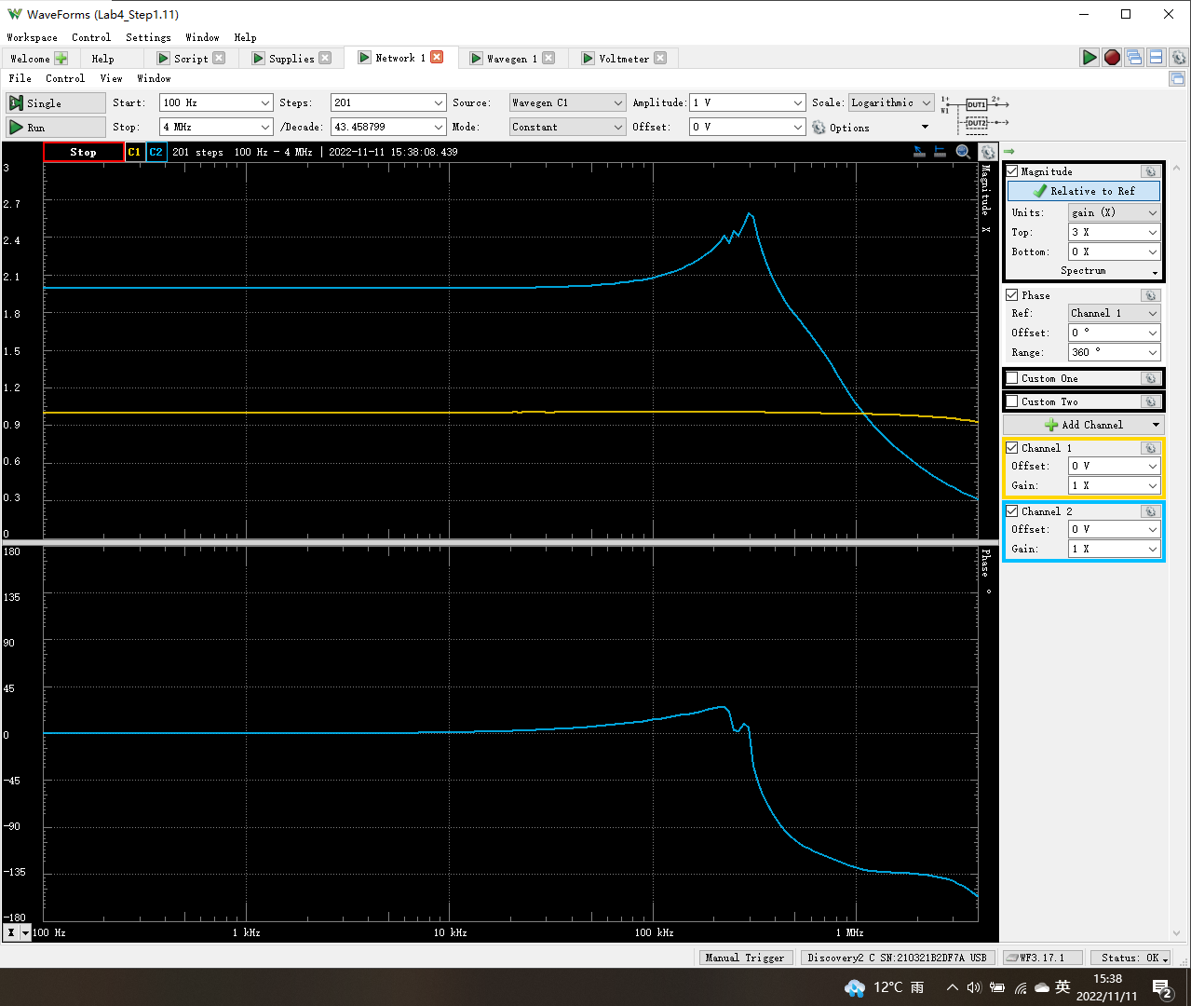
Frequency (Hz) | Channel1 (V1) Magnitude (X) | Channel2 (V2) Magnitude (X) | Channel2 (V2) Phase (°)
100 | 1.0012689508 | 1.9974718236 | 0.012244914079
105.44119031 | 1.0012647211 | 1.9975006551 | 0.012654511247
111.17844614 | 1.0012787406 | 1.9974632692 | 0.013887238796
117.22787697 | 1.0012824701 | 1.9974624097 | 0.014369599209
123.60646885 | 1.0012868235 | 1.9974885072 | 0.015255509704
130.33213206 | 1.0012673143 | 1.9974550996 | 0.015330205936
137.42375139 | 1.0012829289 | 1.9974234791 | 0.016773718713
144.90123924 | 1.0012921933 | 1.9974089969 | 0.016930872274
152.78559142 | 1.0012831247 | 1.9973598481 | 0.018075687054
161.09894622 | 1.0012776924 | 1.9973460236 | 0.018952015925
169.86464646 | 1.001304857 | 1.9972871417 | 0.020808534485
179.10730514 | 1.0012743486 | 1.9974732955 | 0.021570058728
188.85287447 | 1.0012788991 | 1.997377194 | 0.022258332498
199.12871878 | 1.0013090654 | 1.9973849815 | 0.025069911584
209.96369132 | 1.0012927926 | 1.9974091989 | 0.025577856604
221.38821535 | 1.0013048888 | 1.9973911565 | 0.027678621885
233.43436946 | 1.0013162352 | 1.9973552984 | 0.027242811265
246.13597775 | 1.001300451 | 1.9973880436 | 0.029709550594
259.52870472 | 1.0013109951 | 1.9973505096 | 0.030986834535
273.65015544 | 1.0012907233 | 1.9973911943 | 0.034007198365
288.53998118 | 1.0012875527 | 1.9974435909 | 0.034502586588
304.23999067 | 1.0012807427 | 1.9973972892 | 0.037681659985
320.79426756 | 1.0012773134 | 1.9973374939 | 0.037459486468
338.24929416 | 1.0012766446 | 1.9973693483 | 0.040643631058
356.65408197 | 1.0012571781 | 1.9974260204 | 0.041674981649
376.06030931 | 1.001286268 | 1.9973363128 | 0.045166633173
396.52246641 | 1.0012859874 | 1.9973753106 | 0.046925308216
418.09800842 | 1.0012918253 | 1.9973584478 | 0.049070119877
440.84751674 | 1.0012872215 | 1.9973669717 | 0.052964830084
464.83486909 | 1.0012702536 | 1.9974029764 | 0.054773069713
490.12741894 | 1.0012742354 | 1.9974601046 | 0.06011351375
516.79618456 | 1.0012703372 | 1.9973588442 | 0.062342668416
544.91604846 | 1.0012969001 | 1.997377049 | 0.066302413615
574.56596768 | 1.0012813002 | 1.997378701 | 0.068037019751
605.82919543 | 1.001315267 | 1.9973566256 | 0.070392001795
638.7935149 | 1.0013281787 | 1.997300973 | 0.074036367994
673.55148572 | 1.0013140208 | 1.9973660952 | 0.080414826706
710.20070388 | 1.0013045125 | 1.9973659526 | 0.083966647013
748.84407575 | 1.0013091831 | 1.997375266 | 0.087692204587
789.59010702 | 1.0013046994 | 1.9973783 | 0.094289931106
832.5532074 | 1.0013254248 | 1.9973594614 | 0.096447826902
877.85401183 | 1.0013344746 | 1.9973118871 | 0.10368600501
925.61971925 | 1.0013688132 | 1.99726893 | 0.10807013818
975.9844497 | 1.0013340357 | 1.9973463065 | 0.11441540178
1029.089621 | 1.0013453338 | 1.9973565354 | 0.12216725434
1085.0843457 | 1.0013461581 | 1.9973096792 | 0.12852158226
1144.12585 | 1.0013723493 | 1.9973010295 | 0.13355005063
1206.3799148 | 1.0014045279 | 1.9972837006 | 0.14195212672
1272.0213418 | 1.0014247143 | 1.9972666319 | 0.1504903348
1341.2344438 | 1.0014413009 | 1.9973179951 | 0.15865155886
1414.2135624 | 1.0015134864 | 1.9971992761 | 0.16661272327
1491.1636137 | 1.0014703096 | 1.9972933249 | 0.17729615479
...

Step 2.4
Time | v(vout)
Seconds | Volts
Vout vs Time Characteristics for R2 = 240 kΩ

Step 2.6
Time | v(vout)
Seconds | Volts
Vout vs Time Characteristics for R3 = R4 = 4.02 kΩ

Step 2.9
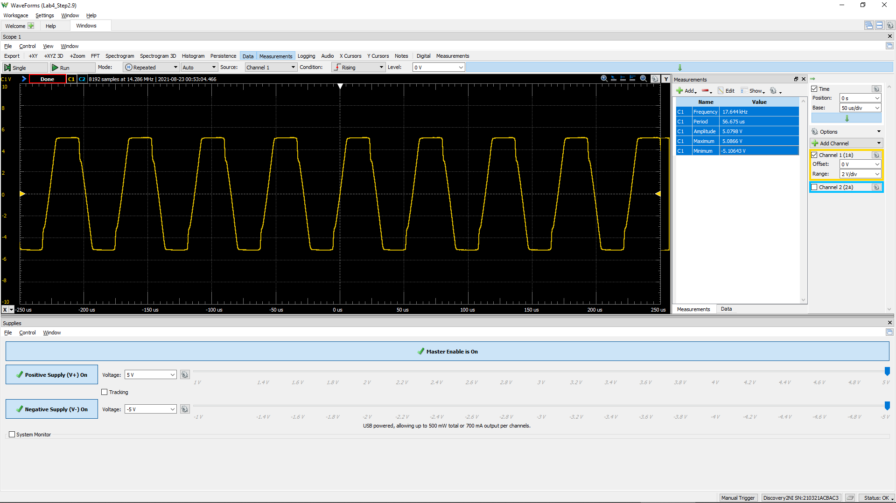
Time (s) | Channel 1 (V) | C1 | Frequency
 |  | C1 | Period
 |  | C1 | Amplitude
 |  | C1 | Maximum
 |  | C1 | Minimum

Step 2.10
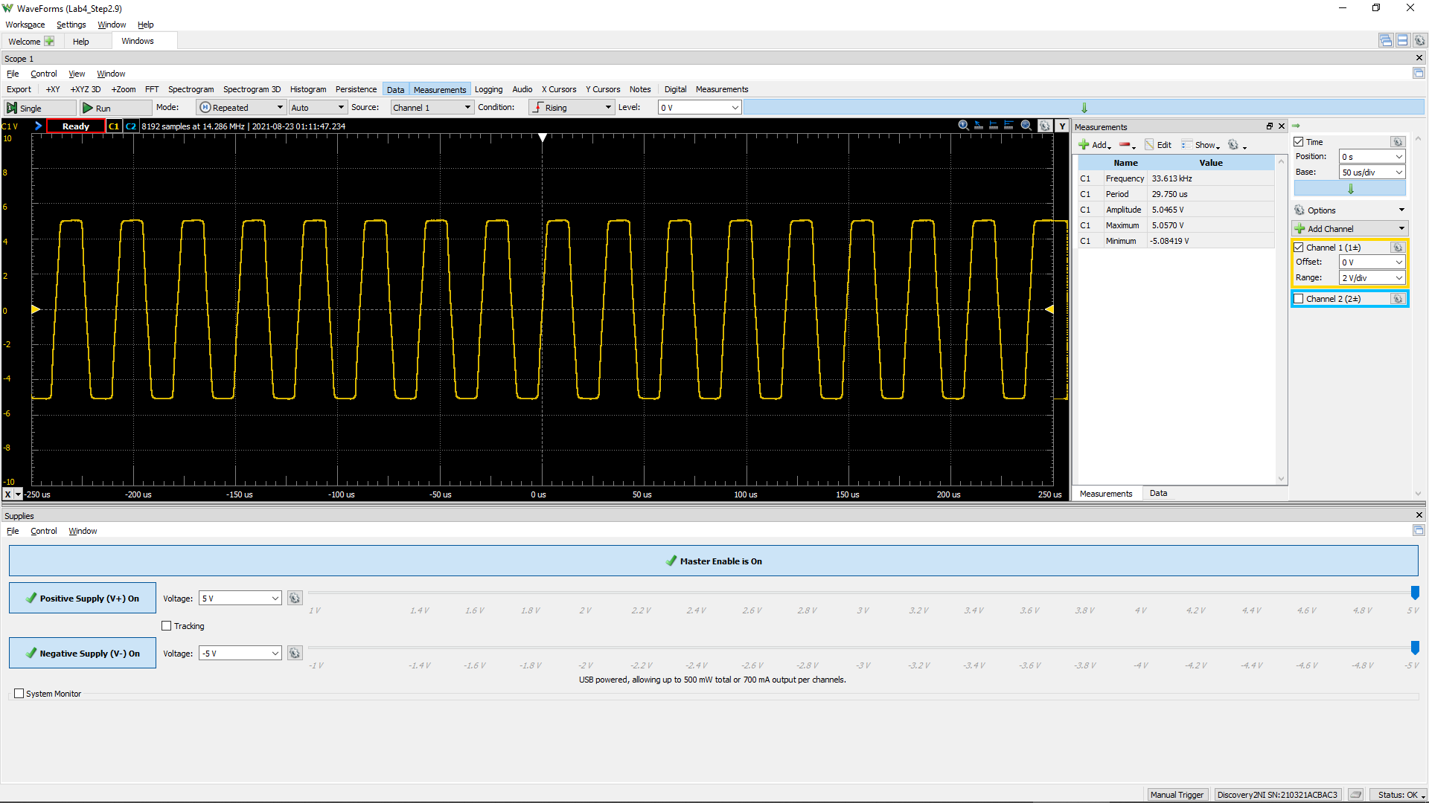
Time (s) | Channel 1 (V) | C1 | Frequency
 |  | C1 | Period
 |  | C1 | Amplitude
 |  | C1 | Maximum
 |  | C1 | Minimum

